CLARKS KIDS
CLARKS KIDS
PHOTOS | REF | DESCR | CAT | GENDER | QTY | RETAIL | TOTAL | EURO Size | Fit (Global) | EAN | HS CODES | UPPER COMPO | SOLE COMPO | LINING COMPO | SOCK COMPO | Heel Height | Fastening | BMC | SKU | Product(SKU) - Medium Text | MADE IN
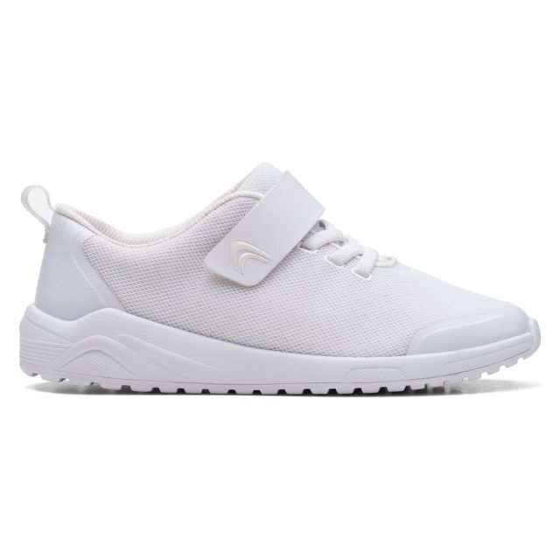 | 26168533 | Aeon Pace O White | Trainers | Childrens | 1 | 54.95 € | 54.95 € | 330 | F (M) | 5059680882319 | 6404110000 | Textile | Rubber | Textile | Textile | 35 | ElasticLace RipTape | C B Sp Out-Sch Shoes | 261685336010 | Aeon Pace O White, F; 1 | Vietnam
 |  |  |  |  | 4 | 54.95 € | 219.80 € | 325 | F (M) | 5059680882364 |  |  |  |  |  |  |  |  | 261685336135 | Aeon Pace O White, F; 13+
 |  |  |  |  | 8 | 54.95 € | 439.60 € | 335 | F (M) | 5059680882326 |  |  |  |  |  |  |  |  | 261685336015 | Aeon Pace O White, F; 1+
 | Total 26168533 |  |  |  | 13 | 54.95 € | 714.35 €
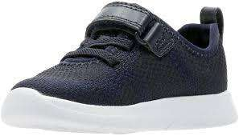 | 26141269 | Ath Flux T Navy | Trainers | Childrens | 3 | 44.95 € | 134.85 € | 230 | F (M) | 5050409755877 | 6404110000 | Textile | EVA | Textile | Textile | 20 | ElasticLace RipTape | C B Sp Out-Sch Shoes | 261412696065 | Ath Flux T Navy, F; 6+ | Vietnam
 |  |  |  |  | 8 | 44.95 € | 359.60 € | 270 | G (W) | 5050409761045 |  |  |  |  |  |  |  |  | 261412697090 | Ath Flux T Navy, G; 9
 |  |  |  |  | 11 | 44.95 € | 494.45 € | 190 | F (M) | 5050410103919 |  |  |  |  |  |  |  |  | 261412696035 | Ath Flux T Navy, F; 3+
 |  |  |  |  | 12 | 44.95 € | 539.40 € | 185 | F (M) | 5050410103902 |  |  |  |  |  |  |  |  | 261412696030 | Ath Flux T Navy, F; 3
 |  |  |  |  | 12 | 44.95 € | 539.40 € | 205 | F (M) | 5050409755839 |  |  |  |  |  |  |  |  | 261412696045 | Ath Flux T Navy, F; 4+
 |  |  |  |  | 13 | 44.95 € | 584.35 € | 205 | G (W) | 5050409755952 |  |  |  |  |  |  |  |  | 261412697045 | Ath Flux T Navy, G; 4+
 |  |  |  |  | 13 | 44.95 € | 584.35 € | 275 | G (W) | 5050409761052 |  |  |  |  |  |  |  |  | 261412697095 | Ath Flux T Navy, G; 9+
 |  |  |  |  | 14 | 44.95 € | 629.30 € | 220 | F (M) | 5050409755853 |  |  |  |  |  |  |  |  | 261412696055 | Ath Flux T Navy, F; 5+
 |  |  |  |  | 20 | 44.95 € | 899.00 € | 240 | G (W) | 5050409761007 |  |  |  |  |  |  |  |  | 261412697070 | Ath Flux T Navy, G; 7
 |  |  |  |  | 21 | 44.95 € | 943.95 € | 255 | F (M) | 5050409755907 |  |  |  |  |  |  |  |  | 261412696080 | Ath Flux T Navy, F; 8
 |  |  |  |  | 23 | 44.95 € | 1,033.85 € | 200 | F (M) | 5050409755822 |  |  |  |  |  |  |  |  | 261412696040 | Ath Flux T Navy, F; 4
 |  |  |  |  | 28 | 44.95 € | 1,258.60 € | 190 | G (W) | 5050410103933 |  |  |  |  |  |  |  |  | 261412697035 | Ath Flux T Navy, G; 3+
 |  |  |  |  | 30 | 44.95 € | 1,348.50 € | 185 | G (W) | 5050410103926 |  |  |  |  |  |  |  |  | 261412697030 | Ath Flux T Navy, G; 3
 |  |  |  |  | 31 | 44.95 € | 1,393.45 € | 260 | F (M) | 5050409755914 |  |  |  |  |  |  |  |  | 261412696085 | Ath Flux T Navy, F; 8+
 |  |  |  |  | 35 | 44.95 € | 1,573.25 € | 255 | G (W) | 5050409761021 |  |  |  |  |  |  |  |  | 261412697080 | Ath Flux T Navy, G; 8
 |  |  |  |  | 37 | 44.95 € | 1,663.15 € | 240 | F (M) | 5050409755884 |  |  |  |  |  |  |  |  | 261412696070 | Ath Flux T Navy, F; 7
 |  |  |  |  | 40 | 44.95 € | 1,798.00 € | 270 | F (M) | 5050409755921 |  |  |  |  |  |  |  |  | 261412696090 | Ath Flux T Navy, F; 9
 |  |  |  |  | 41 | 44.95 € | 1,842.95 € | 210 | F (M) | 5050409755846 |  |  |  |  |  |  |  |  | 261412696050 | Ath Flux T Navy, F; 5
 |  |  |  |  | 41 | 44.95 € | 1,842.95 € | 225 | G (W) | 5050409755983 |  |  |  |  |  |  |  |  | 261412697060 | Ath Flux T Navy, G; 6
 |  |  |  |  | 44 | 44.95 € | 1,977.80 € | 260 | G (W) | 5050409761038 |  |  |  |  |  |  |  |  | 261412697085 | Ath Flux T Navy, G; 8+
 |  |  |  |  | 45 | 44.95 € | 2,022.75 € | 250 | F (M) | 5050409755891 |  |  |  |  |  |  |  |  | 261412696075 | Ath Flux T Navy, F; 7+
 |  |  |  |  | 47 | 44.95 € | 2,112.65 € | 200 | G (W) | 5050409755945 |  |  |  |  |  |  |  |  | 261412697040 | Ath Flux T Navy, G; 4
 |  |  |  |  | 51 | 44.95 € | 2,292.45 € | 220 | G (W) | 5050409755976 |  |  |  |  |  |  |  |  | 261412697055 | Ath Flux T Navy, G; 5+
 |  |  |  |  | 58 | 44.95 € | 2,607.10 € | 225 | F (M) | 5050409755860 |  |  |  |  |  |  |  |  | 261412696060 | Ath Flux T Navy, F; 6
 |  |  |  |  | 68 | 44.95 € | 3,056.60 € | 250 | G (W) | 5050409761014 |  |  |  |  |  |  |  |  | 261412697075 | Ath Flux T Navy, G; 7+
 |  |  |  |  | 72 | 44.95 € | 3,236.40 € | 230 | G (W) | 5050409755990 |  |  |  |  |  |  |  |  | 261412697065 | Ath Flux T Navy, G; 6+
 |  |  |  |  | 95 | 44.95 € | 4,270.25 € | 210 | G (W) | 5050409755969 |  |  |  |  |  |  |  |  | 261412697050 | Ath Flux T Navy, G; 5
 | Total 26141269 |  |  |  | 913 | 44.95 € | 41,039.35 €
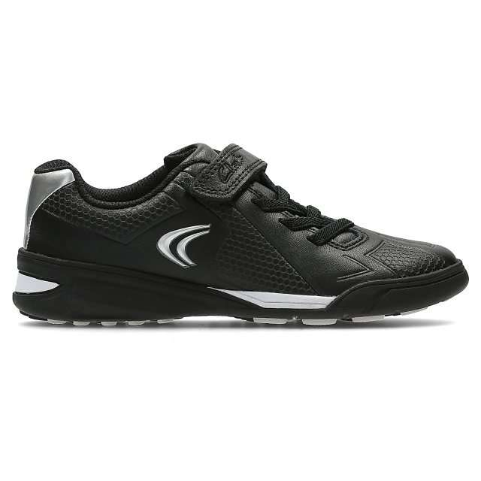 | 26119207 | Award Leap Inf Black Leather | Trainers | Childrens | 48 | 54.95 € | 2,637.60 € | 255 | G (W) | 5050406493130 | 6403999190 | Leather | Rubber | Textile | Textile | 35 | ElasticLace RipTape | C B Sp Out-Sch Shoes | 261192077080 | Award Leap Inf Black Leather, G; 8 | Vietnam
 |  |  |  |  | 48 | 54.95 € | 2,637.60 € | 260 |  | 5050406493147 |  |  |  |  |  |  |  |  | 261192077085 | Award Leap Inf Black Leather, G; 8+
 |  |  |  |  | 48 | 54.95 € | 2,637.60 € | 285 |  | 5050406493185 |  |  |  |  |  |  |  |  | 261192077105 | Award Leap Inf Black Leather, G; 10+
 |  |  |  |  | 48 | 54.95 € | 2,637.60 € | 290 |  | 5050406493192 |  |  |  |  |  |  |  |  | 261192077110 | Award Leap Inf Black Leather, G; 11
 |  |  |  |  | 48 | 54.95 € | 2,637.60 € | 295 |  | 5050406493208 |  |  |  |  |  |  |  |  | 261192077115 | Award Leap Inf Black Leather, G; 11+
 |  |  |  |  | 48 | 54.95 € | 2,637.60 € | 300 |  | 5050406493215 |  |  |  |  |  |  |  |  | 261192077120 | Award Leap Inf Black Leather, G; 12
 |  |  |  |  | 48 | 54.95 € | 2,637.60 € | 310 |  | 5050406493222 |  |  |  |  |  |  |  |  | 261192077125 | Award Leap Inf Black Leather, G; 12+
 |  |  |  |  | 64 | 54.95 € | 3,516.80 € | 270 |  | 5050406493154 |  |  |  |  |  |  |  |  | 261192077090 | Award Leap Inf Black Leather, G; 9
 |  |  |  |  | 64 | 54.95 € | 3,516.80 € | 275 |  | 5050406493161 |  |  |  |  |  |  |  |  | 261192077095 | Award Leap Inf Black Leather, G; 9+
 |  |  |  |  | 64 | 54.95 € | 3,516.80 € | 280 |  | 5050406493178 |  |  |  |  |  |  |  |  | 261192077100 | Award Leap Inf Black Leather, G; 10
 | Total 26119207 |  |  |  | 528 | 54.95 € | 29,013.60 €
 | 26172635 | CICA 2.0 O. Black | Trainers | Childrens | 2 | 69.95 € | 139.90 € | 425 | F (M) | 5063090151842 | 6403999390 | Leather | Rubber | Textile | Synthetic | 30 | Lace | C G Sp Out-Sch Shoes | 261726356085 | CICA 2.0 O. Black, F; 8+ | Vietnam
 | 26172635 | CICA 2.0 O. Black | Trainers | Childrens | 2 | 69.95 € | 139.90 € | 445 | F (M) | 5063090151873 | 6403999390 | Leather | Rubber | Textile | Synthetic | 30 | Lace | C G Sp Out-Sch Shoes | 261726356100 | CICA 2.0 O. Black, F; 10 | Vietnam
 | Total 26172635 |  |  |  | 4 | 69.95 € | 279.80 €
 | 26161454 | Cica Y Off White Suede | Trainers | Childrens | 1 | 84.95 € | 84.95 € | 370 | G (W) | 5059680125287 | 6403999390 | Suede | Rubber | Textile | Textile | 40 | Lace | C B Sp Out-Sch Shoes | 261614547040 | Cica Y Off White Suede, G; 4 | Indonesia
 | Total 26161454 |  |  |  | 1 | 84.95 € | 84.95 €
 | 26172028 | Ezera Walk K. Blue Textile | Trainers | Childrens | 2 | 39.95 € | 79.90 € | 355 | F (M) | 5063090076640 | 6404110000 | Textile | TPR | Textile | Textile | 30 | None | C G Sp Out-Sch Shoes | 261720286030 | Ezera Walk K. Blue Textile, F; 3 | China
 | Total 26172028 |  |  |  | 2 | 39.95 € | 79.90 €
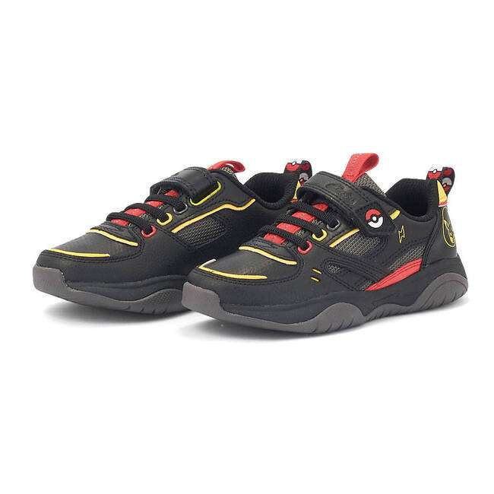 | 26169358 | Grip Pearl K Black Combi | Trainers | Childrens | 14 | 69.95 € | 979.30 € | 255 | G (W) | 5059680908613 | 6403999190 | Leather | Rubber | Textile | Textile | 30 | ElasticLace RipTape | C B Out-School Shoes | 261693587080 | Grip Pearl K Black Combi, G; 8 | Vietnam
 |  |  |  |  | 15 | 69.95 € | 1,049.25 € | 295 | F (M) | 5059680908569 |  |  |  |  |  |  |  |  | 261693586115 | Grip Pearl K Black Combi, F; 11+
 |  |  |  |  | 15 | 69.95 € | 1,049.25 € | 275 | G (W) | 5059680908644 |  |  |  |  |  |  |  |  | 261693587095 | Grip Pearl K Black Combi, G; 9+
 |  |  |  |  | 16 | 69.95 € | 1,119.20 € | 250 | F (M) | 5059680908484 |  |  |  |  |  |  |  |  | 261693586075 | Grip Pearl K Black Combi, F; 7+
 |  |  |  |  | 16 | 69.95 € | 1,119.20 € | 255 | F (M) | 5059680908491 |  |  |  |  |  |  |  |  | 261693586080 | Grip Pearl K Black Combi, F; 8
 |  |  |  |  | 16 | 69.95 € | 1,119.20 € | 275 | F (M) | 5059680908521 |  |  |  |  |  |  |  |  | 261693586095 | Grip Pearl K Black Combi, F; 9+
 |  |  |  |  | 16 | 69.95 € | 1,119.20 € | 285 | F (M) | 5059680908545 |  |  |  |  |  |  |  |  | 261693586105 | Grip Pearl K Black Combi, F; 10+
 |  |  |  |  | 19 | 69.95 € | 1,329.05 € | 250 | G (W) | 5059680908606 |  |  |  |  |  |  |  |  | 261693587075 | Grip Pearl K Black Combi, G; 7+
 |  |  |  |  | 23 | 69.95 € | 1,608.85 € | 300 | G (W) | 5059680908699 |  |  |  |  |  |  |  |  | 261693587120 | Grip Pearl K Black Combi, G; 12
 |  |  |  |  | 27 | 69.95 € | 1,888.65 € | 240 | G (W) | 5059680908590 |  |  |  |  |  |  |  |  | 261693587070 | Grip Pearl K Black Combi, G; 7
 |  |  |  |  | 27 | 69.95 € | 1,888.65 € | 310 | G (W) | 5059680908705 |  |  |  |  |  |  |  |  | 261693587125 | Grip Pearl K Black Combi, G; 12+
 |  |  |  |  | 28 | 69.95 € | 1,958.60 € | 295 | G (W) | 5059680908682 |  |  |  |  |  |  |  |  | 261693587115 | Grip Pearl K Black Combi, G; 11+
 |  |  |  |  | 30 | 69.95 € | 2,098.50 € | 270 | G (W) | 5059680908637 |  |  |  |  |  |  |  |  | 261693587090 | Grip Pearl K Black Combi, G; 9
 |  |  |  |  | 30 | 69.95 € | 2,098.50 € | 285 | G (W) | 5059680908668 |  |  |  |  |  |  |  |  | 261693587105 | Grip Pearl K Black Combi, G; 10+
 |  |  |  |  | 32 | 69.95 € | 2,238.40 € | 260 | G (W) | 5059680908620 |  |  |  |  |  |  |  |  | 261693587085 | Grip Pearl K Black Combi, G; 8+
 |  |  |  |  | 38 | 69.95 € | 2,658.10 € | 280 | G (W) | 5059680908651 |  |  |  |  |  |  |  |  | 261693587100 | Grip Pearl K Black Combi, G; 10
 |  |  |  |  | 49 | 69.95 € | 3,427.55 € | 290 | G (W) | 5059680908675 |  |  |  |  |  |  |  |  | 261693587110 | Grip Pearl K Black Combi, G; 11
 | Total 26169358 |  |  |  | 411 | 69.95 € | 28,749.45 €
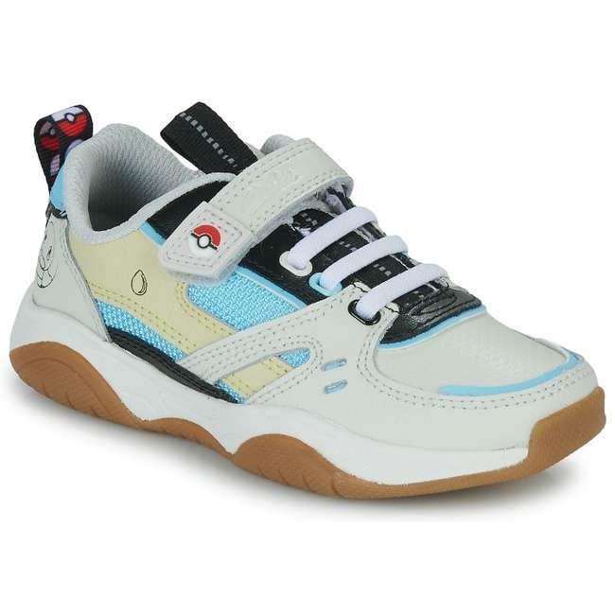 | 26169359 | Grip Pearl K Grey Combi | Trainers | Childrens | 1 | 64.95 € | 64.95 € | 260 | G (W) | 5059680908866 | 6403999190 | Leather | Rubber | Textile | Textile | 30 | ElasticLace RipTape | C B Out-School Shoes | 261693597085 | Grip Pearl K Grey Combi, G; 8+ | Vietnam
 |  |  |  |  | 3 | 64.95 € | 194.85 € | 250 |  | 5059680908842 |  |  |  |  |  |  |  |  | 261693597075 | Grip Pearl K Grey Combi, G; 7+
 |  |  |  |  | 3 | 64.95 € | 194.85 € | 295 |  | 5059680908927 |  |  |  |  |  |  |  |  | 261693597115 | Grip Pearl K Grey Combi, G; 11+
 |  |  |  |  | 8 | 64.95 € | 519.60 € | 280 |  | 5059680908897 |  |  |  |  |  |  |  |  | 261693597100 | Grip Pearl K Grey Combi, G; 10
 |  |  |  |  | 8 | 64.95 € | 519.60 € | 285 |  | 5059680908903 |  |  |  |  |  |  |  |  | 261693597105 | Grip Pearl K Grey Combi, G; 10+
 |  |  |  |  | 8 | 64.95 € | 519.60 € | 300 |  | 5059680908934 |  |  |  |  |  |  |  |  | 261693597120 | Grip Pearl K Grey Combi, G; 12
 |  |  |  |  | 9 | 64.95 € | 584.55 € | 255 |  | 5059680908859 |  |  |  |  |  |  |  |  | 261693597080 | Grip Pearl K Grey Combi, G; 8
 |  |  |  |  | 9 | 64.95 € | 584.55 € | 290 |  | 5059680908910 |  |  |  |  |  |  |  |  | 261693597110 | Grip Pearl K Grey Combi, G; 11
 |  |  |  |  | 12 | 64.95 € | 779.40 € | 240 |  | 5059680908835 |  |  |  |  |  |  |  |  | 261693597070 | Grip Pearl K Grey Combi, G; 7
 |  |  |  |  | 12 | 64.95 € | 779.40 € | 270 |  | 5059680908873 |  |  |  |  |  |  |  |  | 261693597090 | Grip Pearl K Grey Combi, G; 9
 |  |  |  |  | 17 | 64.95 € | 1,104.15 € | 275 |  | 5059680908880 |  |  |  |  |  |  |  |  | 261693597095 | Grip Pearl K Grey Combi, G; 9+
 | Total 26169359 |  |  |  | 90 | 64.95 € | 5,845.50 €
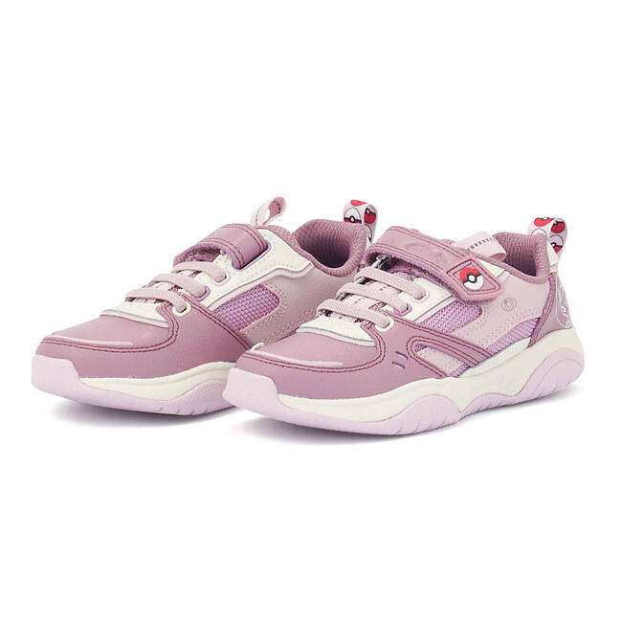 | 26169339 | Grip Pearl K. Purple Combi | Trainers | Childrens | 5 | 64.95 € | 324.75 € | 280 | F (M) | 5059680911019 | 6403999190 | Leather | Rubber | Textile | Textile | 30 | ElasticLace RipTape | C G Out-School Shoes | 261693396100 | Grip Pearl K. Purple Combi, F; 10 | Vietnam
 |  |  |  |  | 5 | 64.95 € | 324.75 € | 285 |  | 5059680911026 |  |  |  |  |  |  |  |  | 261693396105 | Grip Pearl K. Purple Combi, F; 10+
 |  |  |  |  | 7 | 64.95 € | 454.65 € | 290 |  | 5059680911033 |  |  |  |  |  |  |  |  | 261693396110 | Grip Pearl K. Purple Combi, F; 11
 |  |  |  |  | 8 | 64.95 € | 519.60 € | 270 |  | 5059680908996 |  |  |  |  |  |  |  |  | 261693396090 | Grip Pearl K. Purple Combi, F; 9
 |  |  |  |  | 8 | 64.95 € | 519.60 € | 300 |  | 5059680911057 |  |  |  |  |  |  |  |  | 261693396120 | Grip Pearl K. Purple Combi, F; 12
 |  |  |  |  | 9 | 64.95 € | 584.55 € | 255 |  | 5059680908972 |  |  |  |  |  |  |  |  | 261693396080 | Grip Pearl K. Purple Combi, F; 8
 |  |  |  |  | 9 | 64.95 € | 584.55 € | 295 |  | 5059680911040 |  |  |  |  |  |  |  |  | 261693396115 | Grip Pearl K. Purple Combi, F; 11+
 |  |  |  |  | 12 | 64.95 € | 779.40 € | 275 |  | 5059680911002 |  |  |  |  |  |  |  |  | 261693396095 | Grip Pearl K. Purple Combi, F; 9+
 |  |  |  |  | 13 | 64.95 € | 844.35 € | 310 |  | 5059680911064 |  |  |  |  |  |  |  |  | 261693396125 | Grip Pearl K. Purple Combi, F; 12+
 |  |  |  |  | 14 | 64.95 € | 909.30 € | 240 |  | 5059680908958 |  |  |  |  |  |  |  |  | 261693396070 | Grip Pearl K. Purple Combi, F; 7
 |  |  |  |  | 14 | 64.95 € | 909.30 € | 260 |  | 5059680908989 |  |  |  |  |  |  |  |  | 261693396085 | Grip Pearl K. Purple Combi, F; 8+
 |  |  |  |  | 15 | 64.95 € | 974.25 € | 250 |  | 5059680908965 |  |  |  |  |  |  |  |  | 261693396075 | Grip Pearl K. Purple Combi, F; 7+
 | Total 26169339 |  |  |  | 119 | 64.95 € | 7,729.05 €
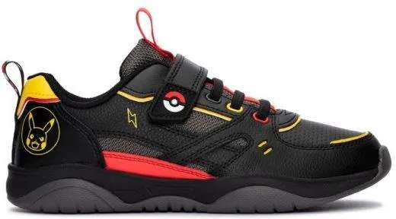 | 26169338 | Grip Pearl O Black Combi | Trainers | Childrens | 1 | 69.95 € | 69.95 € | 360 | F (M) | 5059680906305 | 6403999190 | Leather | Rubber | Textile | Textile | 30 | ElasticLace RipTape | C B Out-School Shoes | 261693386035 | Grip Pearl O Black Combi, F; 3+ | Vietnam
 |  |  |  |  | 1 | 69.95 € | 69.95 € | 375 | F (M) | 5059680906329 |  |  |  |  |  |  |  |  | 261693386045 | Grip Pearl O Black Combi, F; 4+
 |  |  |  |  | 1 | 69.95 € | 69.95 € | 390 | F (M) | 5059680906343 |  |  |  |  |  |  |  |  | 261693386055 | Grip Pearl O Black Combi, F; 5+
 |  |  |  |  | 3 | 69.95 € | 209.85 € | 390 | G (W) | 5059680906466 |  |  |  |  |  |  |  |  | 261693387055 | Grip Pearl O Black Combi, G; 5+
 |  |  |  |  | 4 | 64.95 € | 259.80 € | 350 | G (W) | 5059680906404 |  |  |  |  |  |  |  |  | 261693387025 | Grip Pearl O Black Combi, G; 2+
 |  |  |  |  | 5 | 64.95 € | 324.75 € | 330 | F (M) | 5059680906251 |  |  |  |  |  |  |  |  | 261693386010 | Grip Pearl O Black Combi, F; 1
 |  |  |  |  | 5 | 64.95 € | 324.75 € | 350 | F (M) | 5059680906282 |  |  |  |  |  |  |  |  | 261693386025 | Grip Pearl O Black Combi, F; 2+
 |  |  |  |  | 5 | 64.95 € | 324.75 € | 330 | G (W) | 5059680906374 |  |  |  |  |  |  |  |  | 261693387010 | Grip Pearl O Black Combi, G; 1
 |  |  |  |  | 6 | 64.95 € | 389.70 € | 335 | F (M) | 5059680906268 |  |  |  |  |  |  |  |  | 261693386015 | Grip Pearl O Black Combi, F; 1+
 |  |  |  |  | 6 | 64.95 € | 389.70 € | 340 | F (M) | 5059680906275 |  |  |  |  |  |  |  |  | 261693386020 | Grip Pearl O Black Combi, F; 2
 |  |  |  |  | 7 | 64.95 € | 454.65 € | 320 | F (M) | 5059680906350 |  |  |  |  |  |  |  |  | 261693386130 | Grip Pearl O Black Combi, F; 13
 |  |  |  |  | 8 | 64.95 € | 519.60 € | 325 | F (M) | 5059680906367 |  |  |  |  |  |  |  |  | 261693386135 | Grip Pearl O Black Combi, F; 13+
 |  |  |  |  | 8 | 69.95 € | 559.60 € | 360 | G (W) | 5059680906428 |  |  |  |  |  |  |  |  | 261693387035 | Grip Pearl O Black Combi, G; 3+
 |  |  |  |  | 9 | 64.95 € | 584.55 € | 340 | G (W) | 5059680906398 |  |  |  |  |  |  |  |  | 261693387020 | Grip Pearl O Black Combi, G; 2
 |  |  |  |  | 9 | 64.95 € | 584.55 € | 320 | G (W) | 5059680906473 |  |  |  |  |  |  |  |  | 261693387130 | Grip Pearl O Black Combi, G; 13
 |  |  |  |  | 13 | 64.95 € | 844.35 € | 335 | G (W) | 5059680906381 |  |  |  |  |  |  |  |  | 261693387015 | Grip Pearl O Black Combi, G; 1+
 |  |  |  |  | 13 | 64.95 € | 844.35 € | 325 | G (W) | 5059680906480 |  |  |  |  |  |  |  |  | 261693387135 | Grip Pearl O Black Combi, G; 13+
 | Total 26169338 |  |  |  | 104 | 65.62 € | 6,824.80 €
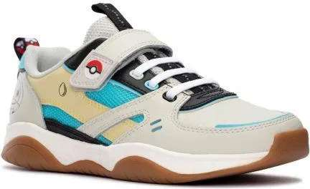 | 26169357 | Grip Pearl O Grey Combi | Trainers | Childrens | 6 | 69.95 € | 419.70 € | 390 | G (W) | 5059680901508 | 6403999390 | Leather | Rubber | Textile | Textile | 30 | ElasticLace RipTape | C B Out-School Shoes | 261693577055 | Grip Pearl O Grey Combi, G; 5+ | Vietnam
 |  |  |  |  | 8 | 69.95 € | 559.60 € | 375 |  | 5059680901485 |  |  |  |  |  |  |  |  | 261693577045 | Grip Pearl O Grey Combi, G; 4+
 |  |  |  |  | 10 | 69.95 € | 699.50 € | 355 |  | 5059680901454 |  |  |  |  |  |  |  |  | 261693577030 | Grip Pearl O Grey Combi, G; 3
 |  |  |  |  | 10 | 69.95 € | 699.50 € | 360 |  | 5059680901461 |  |  |  |  |  |  |  |  | 261693577035 | Grip Pearl O Grey Combi, G; 3+
 |  |  |  |  | 11 | 69.95 € | 769.45 € | 380 |  | 5059680901492 |  |  |  |  |  |  |  |  | 261693577050 | Grip Pearl O Grey Combi, G; 5
 |  |  |  |  | 11 | 64.95 € | 714.45 € | 325 |  | 5059680901522 |  |  |  |  |  |  |  |  | 261693577135 | Grip Pearl O Grey Combi, G; 13+
 |  |  |  |  | 15 | 69.95 € | 1,049.25 € | 370 |  | 5059680901478 |  |  |  |  |  |  |  |  | 261693577040 | Grip Pearl O Grey Combi, G; 4
 |  |  |  |  | 16 | 64.95 € | 1,039.20 € | 330 |  | 5059680901416 |  |  |  |  |  |  |  |  | 261693577010 | Grip Pearl O Grey Combi, G; 1
 |  |  |  |  | 16 | 64.95 € | 1,039.20 € | 335 |  | 5059680901423 |  |  |  |  |  |  |  |  | 261693577015 | Grip Pearl O Grey Combi, G; 1+
 |  |  |  |  | 16 | 64.95 € | 1,039.20 € | 350 |  | 5059680901447 |  |  |  |  |  |  |  |  | 261693577025 | Grip Pearl O Grey Combi, G; 2+
 |  |  |  |  | 19 | 64.95 € | 1,234.05 € | 320 |  | 5059680901515 |  |  |  |  |  |  |  |  | 261693577130 | Grip Pearl O Grey Combi, G; 13
 |  |  |  |  | 20 | 64.95 € | 1,299.00 € | 340 |  | 5059680901430 |  |  |  |  |  |  |  |  | 261693577020 | Grip Pearl O Grey Combi, G; 2
 | Total 26169357 |  |  |  | 158 | 66.85 € | 10,562.10 €
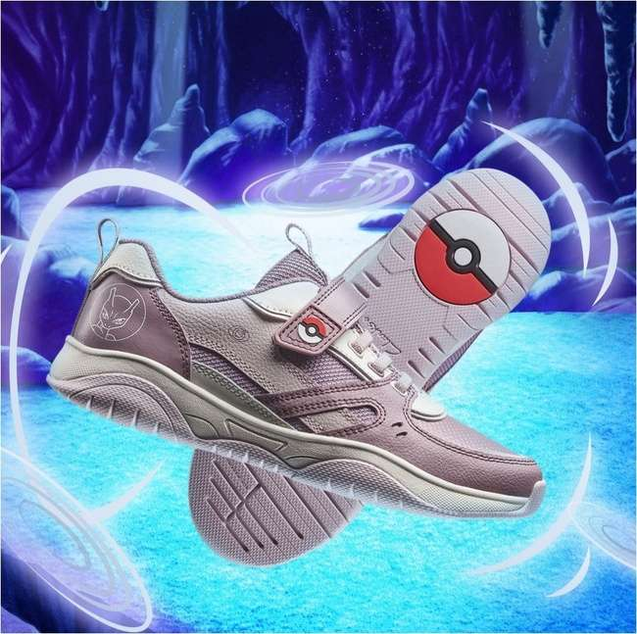 | 26169330 | Grip Pearl O. Purple Combi | Trainers | Childrens | 4 | 69.95 € | 279.80 € | 390 | F (M) | 5059680908323 | 6403999390 | Leather | Rubber | Textile | Textile | 30 | ElasticLace RipTape | C G Out-School Shoes | 261693306055 | Grip Pearl O. Purple Combi, F; 5+ | Vietnam
 |  |  |  |  | 7 | 69.95 € | 489.65 € | 375 |  | 5059680908309 |  |  |  |  |  |  |  |  | 261693306045 | Grip Pearl O. Purple Combi, F; 4+
 |  |  |  |  | 10 | 64.95 € | 649.50 € | 350 |  | 5059680908262 |  |  |  |  |  |  |  |  | 261693306025 | Grip Pearl O. Purple Combi, F; 2+
 |  |  |  |  | 10 | 69.95 € | 699.50 € | 380 |  | 5059680908316 |  |  |  |  |  |  |  |  | 261693306050 | Grip Pearl O. Purple Combi, F; 5
 |  |  |  |  | 10 | 64.95 € | 649.50 € | 325 |  | 5059680908347 |  |  |  |  |  |  |  |  | 261693306135 | Grip Pearl O. Purple Combi, F; 13+
 |  |  |  |  | 11 | 64.95 € | 714.45 € | 335 |  | 5059680908248 |  |  |  |  |  |  |  |  | 261693306015 | Grip Pearl O. Purple Combi, F; 1+
 |  |  |  |  | 11 | 69.95 € | 769.45 € | 370 |  | 5059680908293 |  |  |  |  |  |  |  |  | 261693306040 | Grip Pearl O. Purple Combi, F; 4
 |  |  |  |  | 15 | 69.95 € | 1,049.25 € | 355 |  | 5059680908279 |  |  |  |  |  |  |  |  | 261693306030 | Grip Pearl O. Purple Combi, F; 3
 |  |  |  |  | 19 | 64.95 € | 1,234.05 € | 330 |  | 5059680908231 |  |  |  |  |  |  |  |  | 261693306010 | Grip Pearl O. Purple Combi, F; 1
 |  |  |  |  | 22 | 64.95 € | 1,428.90 € | 340 |  | 5059680908255 |  |  |  |  |  |  |  |  | 261693306020 | Grip Pearl O. Purple Combi, F; 2
 |  |  |  |  | 23 | 64.95 € | 1,493.85 € | 320 |  | 5059680908330 |  |  |  |  |  |  |  |  | 261693306130 | Grip Pearl O. Purple Combi, F; 13
 | Total 26169330 |  |  |  | 142 | 66.60 € | 9,457.90 €
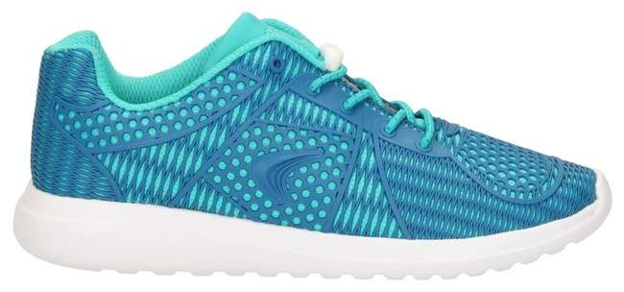 | 26119229 | SprintWild Inf Blue | Trainers | Childrens | 32 | 54.95 € | 1,758.40 € | 260 | F (M) | 5050406508902 | 6404110000 | Textile | EVA | Textile | Textile | 30 | Toggle | C G Sp Out-Sch Shoes | 261192296085 | SprintWild Inf Blue, F; 8+ | Vietnam
 |  |  |  |  | 32 | 54.95 € | 1,758.40 € | 295 |  | 5050406508964 |  |  |  |  |  |  |  |  | 261192296115 | SprintWild Inf Blue, F; 11+
 |  |  |  |  | 32 | 54.95 € | 1,758.40 € | 300 |  | 5050406508971 |  |  |  |  |  |  |  |  | 261192296120 | SprintWild Inf Blue, F; 12
 |  |  |  |  | 32 | 54.95 € | 1,758.40 € | 310 |  | 5050406508988 |  |  |  |  |  |  |  |  | 261192296125 | SprintWild Inf Blue, F; 12+
 |  |  |  |  | 48 | 54.95 € | 2,637.60 € | 240 |  | 5050406508872 |  |  |  |  |  |  |  |  | 261192296070 | SprintWild Inf Blue, F; 7
 |  |  |  |  | 48 | 54.95 € | 2,637.60 € | 250 |  | 5050406508889 |  |  |  |  |  |  |  |  | 261192296075 | SprintWild Inf Blue, F; 7+
 |  |  |  |  | 48 | 54.95 € | 2,637.60 € | 255 |  | 5050406508896 |  |  |  |  |  |  |  |  | 261192296080 | SprintWild Inf Blue, F; 8
 |  |  |  |  | 48 | 54.95 € | 2,637.60 € | 270 |  | 5050406508919 |  |  |  |  |  |  |  |  | 261192296090 | SprintWild Inf Blue, F; 9
 |  |  |  |  | 48 | 54.95 € | 2,637.60 € | 275 |  | 5050406508926 |  |  |  |  |  |  |  |  | 261192296095 | SprintWild Inf Blue, F; 9+
 |  |  |  |  | 48 | 54.95 € | 2,637.60 € | 285 |  | 5050406508940 |  |  |  |  |  |  |  |  | 261192296105 | SprintWild Inf Blue, F; 10+
 |  |  |  |  | 48 | 54.95 € | 2,637.60 € | 290 |  | 5050406508957 |  |  |  |  |  |  |  |  | 261192296110 | SprintWild Inf Blue, F; 11
 |  |  |  |  | 64 | 54.95 € | 3,516.80 € | 280 |  | 5050406508933 |  |  |  |  |  |  |  |  | 261192296100 | SprintWild Inf Blue, F; 10
 | Total 26119229 |  |  |  | 528 | 54.95 € | 29,013.60 €
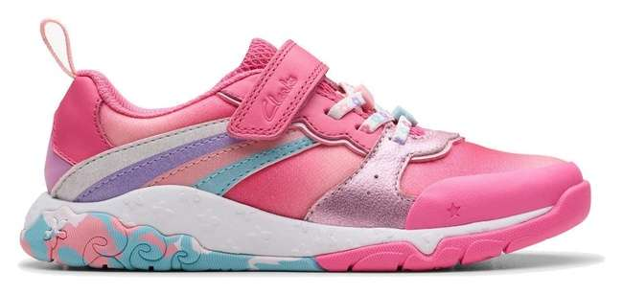 | 26179307 | Tidal Star K. Bright Pink Comb | Trainers | Childrens | 6 | 65.95 € | 395.70 € | 350 | F (M) | 5063090515484 | 6404199000 | Textile | Rubber | Textile | Textile | 25 | ElasticLace RipTape | C G Out-School Shoes | 261793076025 | Tidal Star K. Bright Pink Comb, F; 2+ | Vietnam
 |  |  |  |  | 7 | 65.95 € | 461.65 € | 270 |  | 5063090515538 |  |  |  |  |  |  |  |  | 261793076090 | Tidal Star K. Bright Pink Comb, F; 9
 |  |  |  |  | 7 | 65.95 € | 461.65 € | 290 |  | 5063090515576 |  |  |  |  |  |  |  |  | 261793076110 | Tidal Star K. Bright Pink Comb, F; 11
 |  |  |  |  | 7 | 65.95 € | 461.65 € | 310 |  | 5063090515606 |  |  |  |  |  |  |  |  | 261793076125 | Tidal Star K. Bright Pink Comb, F; 12+
 |  |  |  |  | 9 | 65.95 € | 593.55 € | 335 |  | 5063090515460 |  |  |  |  |  |  |  |  | 261793076015 | Tidal Star K. Bright Pink Comb, F; 1+
 |  |  |  |  | 9 | 65.95 € | 593.55 € | 260 |  | 5063090515521 |  |  |  |  |  |  |  |  | 261793076085 | Tidal Star K. Bright Pink Comb, F; 8+
 |  |  |  |  | 9 | 65.95 € | 593.55 € | 300 |  | 5063090515590 |  |  |  |  |  |  |  |  | 261793076120 | Tidal Star K. Bright Pink Comb, F; 12
 |  |  |  |  | 10 | 65.95 € | 659.50 € | 250 |  | 5063090515507 |  |  |  |  |  |  |  |  | 261793076075 | Tidal Star K. Bright Pink Comb, F; 7+
 |  |  |  |  | 13 | 65.95 € | 857.35 € | 255 |  | 5063090515514 |  |  |  |  |  |  |  |  | 261793076080 | Tidal Star K. Bright Pink Comb, F; 8
 |  |  |  |  | 13 | 65.95 € | 857.35 € | 325 |  | 5063090515620 |  |  |  |  |  |  |  |  | 261793076135 | Tidal Star K. Bright Pink Comb, F; 13+
 |  |  |  |  | 14 | 65.95 € | 923.30 € | 275 |  | 5063090515545 |  |  |  |  |  |  |  |  | 261793076095 | Tidal Star K. Bright Pink Comb, F; 9+
 |  |  |  |  | 14 | 65.95 € | 923.30 € | 285 |  | 5063090515569 |  |  |  |  |  |  |  |  | 261793076105 | Tidal Star K. Bright Pink Comb, F; 10+
 |  |  |  |  | 14 | 65.95 € | 923.30 € | 295 |  | 5063090515583 |  |  |  |  |  |  |  |  | 261793076115 | Tidal Star K. Bright Pink Comb, F; 11+
 |  |  |  |  | 22 | 65.95 € | 1,450.90 € | 240 |  | 5063090515491 |  |  |  |  |  |  |  |  | 261793076070 | Tidal Star K. Bright Pink Comb, F; 7
 | Total 26179307 |  |  |  | 154 | 65.95 € | 10,156.30 €
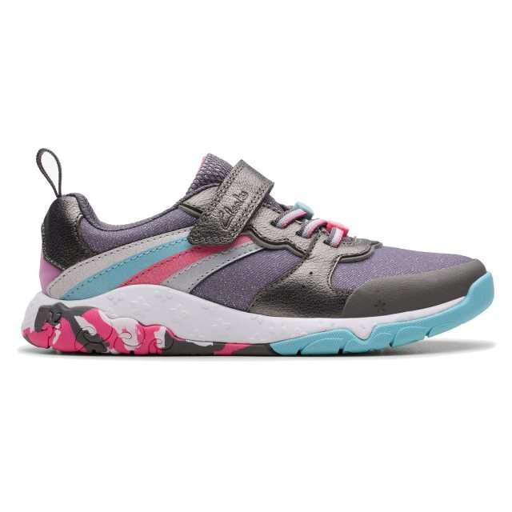 | 26179308 | Tidal Star K. Gun Metal | Trainers | Childrens | 2 | 65.95 € | 131.90 € | 255 | F (M) | 5063090515873 | 6404199000 | Textile | Rubber | Textile | Textile | 25 | ElasticLace RipTape | C G Out-School Shoes | 261793086080 | Tidal Star K. Gun Metal, F; 8 | Vietnam
 |  |  |  |  | 3 | 65.95 € | 197.85 € | 335 |  | 5063090515828 |  |  |  |  |  |  |  |  | 261793086015 | Tidal Star K. Gun Metal, F; 1+
 |  |  |  |  | 3 | 65.95 € | 197.85 € | 240 |  | 5063090515859 |  |  |  |  |  |  |  |  | 261793086070 | Tidal Star K. Gun Metal, F; 7
 |  |  |  |  | 3 | 65.95 € | 197.85 € | 250 |  | 5063090515866 |  |  |  |  |  |  |  |  | 261793086075 | Tidal Star K. Gun Metal, F; 7+
 |  |  |  |  | 3 | 65.95 € | 197.85 € | 260 |  | 5063090515880 |  |  |  |  |  |  |  |  | 261793086085 | Tidal Star K. Gun Metal, F; 8+
 |  |  |  |  | 3 | 65.95 € | 197.85 € | 270 |  | 5063090515897 |  |  |  |  |  |  |  |  | 261793086090 | Tidal Star K. Gun Metal, F; 9
 |  |  |  |  | 3 | 65.95 € | 197.85 € | 275 |  | 5063090515903 |  |  |  |  |  |  |  |  | 261793086095 | Tidal Star K. Gun Metal, F; 9+
 |  |  |  |  | 3 | 65.95 € | 197.85 € | 280 |  | 5063090515910 |  |  |  |  |  |  |  |  | 261793086100 | Tidal Star K. Gun Metal, F; 10
 |  |  |  |  | 3 | 65.95 € | 197.85 € | 285 |  | 5063090515927 |  |  |  |  |  |  |  |  | 261793086105 | Tidal Star K. Gun Metal, F; 10+
 |  |  |  |  | 3 | 65.95 € | 197.85 € | 290 |  | 5063090515934 |  |  |  |  |  |  |  |  | 261793086110 | Tidal Star K. Gun Metal, F; 11
 |  |  |  |  | 3 | 65.95 € | 197.85 € | 295 |  | 5063090515941 |  |  |  |  |  |  |  |  | 261793086115 | Tidal Star K. Gun Metal, F; 11+
 |  |  |  |  | 3 | 65.95 € | 197.85 € | 300 |  | 5063090515958 |  |  |  |  |  |  |  |  | 261793086120 | Tidal Star K. Gun Metal, F; 12
 |  |  |  |  | 3 | 65.95 € | 197.85 € | 325 |  | 5063090515989 |  |  |  |  |  |  |  |  | 261793086135 | Tidal Star K. Gun Metal, F; 13+
 |  |  |  |  | 4 | 65.95 € | 263.80 € | 320 |  | 5063090515972 |  |  |  |  |  |  |  |  | 261793086130 | Tidal Star K. Gun Metal, F; 13
 |  |  |  |  | 5 | 65.95 € | 329.75 € | 330 |  | 5063090515811 |  |  |  |  |  |  |  |  | 261793086010 | Tidal Star K. Gun Metal, F; 1
 |  |  |  |  | 5 | 65.95 € | 329.75 € | 310 |  | 5063090515965 |  |  |  |  |  |  |  |  | 261793086125 | Tidal Star K. Gun Metal, F; 12+
 |  |  |  |  | 6 | 65.95 € | 395.70 € | 340 |  | 5063090515835 |  |  |  |  |  |  |  |  | 261793086020 | Tidal Star K. Gun Metal, F; 2
 |  |  |  |  | 6 | 65.95 € | 395.70 € | 350 |  | 5063090515842 |  |  |  |  |  |  |  |  | 261793086025 | Tidal Star K. Gun Metal, F; 2+
 | Total 26179308 |  |  |  | 64 | 65.95 € | 4,220.80 €
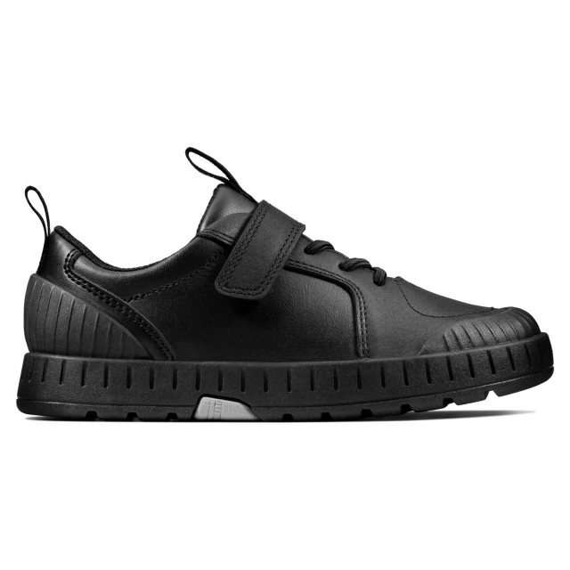 | 26147046 | Apollo Step K Black Leather | Shoes | Childrens | 2 | 69.95 € | 139.90 € | 295 | G (W) | 5050409866894 | 6403999190 | Leather | Rubber | Textile | Textile | 25 | ElasticLace RipTape | C B School Shoes | 261470467115 | Apollo Step K Black Leather, G; 11+ | Vietnam
 |  |  |  |  | 4 | 69.95 € | 279.80 € | 285 | G (W) | 5050409866870 |  |  |  |  |  |  |  |  | 261470467105 | Apollo Step K Black Leather, G; 10+
 |  |  |  |  | 10 | 69.95 € | 699.50 € | 320 | F (M) | 5050409866801 |  |  |  |  |  |  |  |  | 261470466130 | Apollo Step K Black Leather, F; 13
 |  |  |  |  | 14 | 69.95 € | 979.30 € | 295 | F (M) | 5050409866771 |  |  |  |  |  |  |  |  | 261470466115 | Apollo Step K Black Leather, F; 11+
 |  |  |  |  | 14 | 69.95 € | 979.30 € | 300 | F (M) | 5050409866788 |  |  |  |  |  |  |  |  | 261470466120 | Apollo Step K Black Leather, F; 12
 |  |  |  |  | 14 | 69.95 € | 979.30 € | 350 | G (W) | 5050409866856 |  |  |  |  |  |  |  |  | 261470467025 | Apollo Step K Black Leather, G; 2+
 |  |  |  |  | 15 | 69.95 € | 1,049.25 € | 290 | F (M) | 5050409866764 |  |  |  |  |  |  |  |  | 261470466110 | Apollo Step K Black Leather, F; 11
 |  |  |  |  | 29 | 69.95 € | 2,028.55 € | 340 | G (W) | 5050409866849 |  |  |  |  |  |  |  |  | 261470467020 | Apollo Step K Black Leather, G; 2
 |  |  |  |  | 49 | 69.95 € | 3,427.55 € | 300 | G (W) | 5050409866900 |  |  |  |  |  |  |  |  | 261470467120 | Apollo Step K Black Leather, G; 12
 |  |  |  |  | 50 | 69.95 € | 3,497.50 € | 330 | G (W) | 5050409866825 |  |  |  |  |  |  |  |  | 261470467010 | Apollo Step K Black Leather, G; 1
 |  |  |  |  | 53 | 69.95 € | 3,707.35 € | 290 | G (W) | 5050409866887 |  |  |  |  |  |  |  |  | 261470467110 | Apollo Step K Black Leather, G; 11
 |  |  |  |  | 53 | 69.95 € | 3,707.35 € | 310 | G (W) | 5050409866917 |  |  |  |  |  |  |  |  | 261470467125 | Apollo Step K Black Leather, G; 12+
 |  |  |  |  | 57 | 69.95 € | 3,987.15 € | 280 | G (W) | 5050409866863 |  |  |  |  |  |  |  |  | 261470467100 | Apollo Step K Black Leather, G; 10
 |  |  |  |  | 60 | 69.95 € | 4,197.00 € | 320 | G (W) | 5050409866924 |  |  |  |  |  |  |  |  | 261470467130 | Apollo Step K Black Leather, G; 13
 | Total 26147046 |  |  |  | 424 | 69.95 € | 29,658.80 €
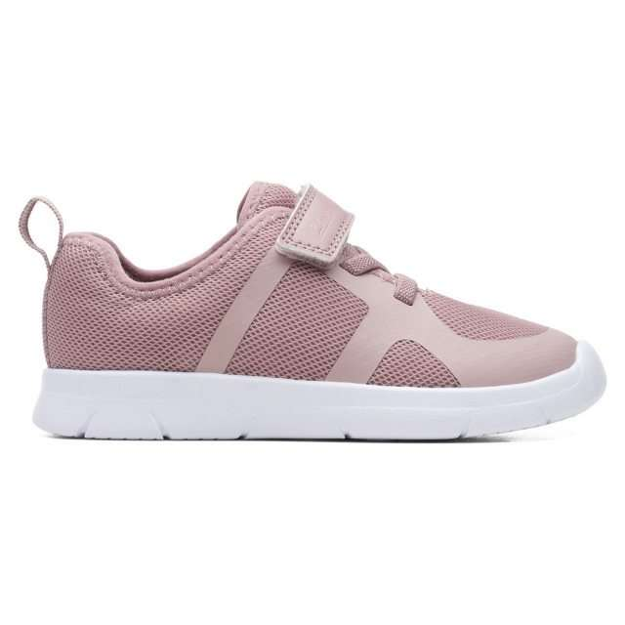 | 26164817 | Ath Flux K. Pink | Shoes | Childrens | 5 | 44.95 € | 224.75 € | 260 | G (W) | 5059680385193 | 6404110000 | Textile | EVA | Textile | Textile | 20 | ElasticLace RipTape | C G Sp Out-Sch Shoes | 261648177085 | Ath Flux K. Pink, G; 8+ | Vietnam
 |  |  |  |  | 5 | 44.95 € | 224.75 € | 270 | G (W) | 5059680385209 |  |  |  |  |  |  |  |  | 261648177090 | Ath Flux K. Pink, G; 9
 |  |  |  |  | 11 | 44.95 € | 494.45 € | 240 | F (M) | 5059680385100 |  |  |  |  |  |  |  |  | 261648176070 | Ath Flux K. Pink, F; 7
 |  |  |  |  | 11 | 44.95 € | 494.45 € | 250 | F (M) | 5059680385117 |  |  |  |  |  |  |  |  | 261648176075 | Ath Flux K. Pink, F; 7+
 |  |  |  |  | 12 | 44.95 € | 539.40 € | 255 | F (M) | 5059680385124 |  |  |  |  |  |  |  |  | 261648176080 | Ath Flux K. Pink, F; 8
 |  |  |  |  | 12 | 44.95 € | 539.40 € | 275 | F (M) | 5059680385155 |  |  |  |  |  |  |  |  | 261648176095 | Ath Flux K. Pink, F; 9+
 |  |  |  |  | 13 | 44.95 € | 584.35 € | 255 | G (W) | 5059680385186 |  |  |  |  |  |  |  |  | 261648177080 | Ath Flux K. Pink, G; 8
 |  |  |  |  | 15 | 44.95 € | 674.25 € | 275 | G (W) | 5059680385216 |  |  |  |  |  |  |  |  | 261648177095 | Ath Flux K. Pink, G; 9+
 |  |  |  |  | 28 | 44.95 € | 1,258.60 € | 260 | F (M) | 5059680385131 |  |  |  |  |  |  |  |  | 261648176085 | Ath Flux K. Pink, F; 8+
 |  |  |  |  | 28 | 44.95 € | 1,258.60 € | 270 | F (M) | 5059680385148 |  |  |  |  |  |  |  |  | 261648176090 | Ath Flux K. Pink, F; 9
 | Total 26164817 |  |  |  | 140 | 44.95 € | 6,293.00 €
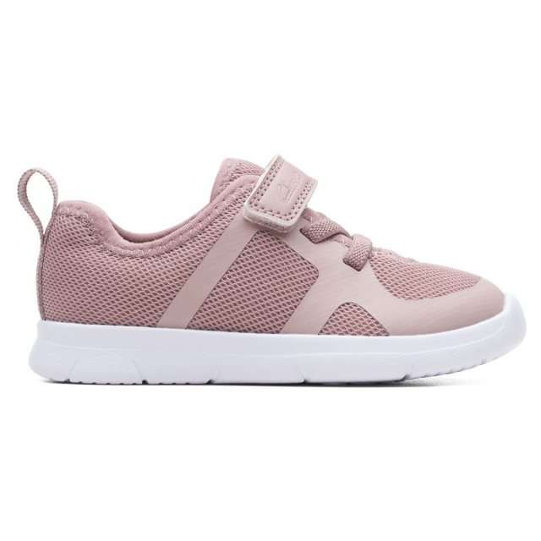 | 26165217 | Ath Flux T. Pink | Shoes | Childrens | 9 | 44.95 € | 404.55 € | 230 | G (W) | 5059680385971 | 6404110000 | Textile | EVA | Textile | Textile | 20 | ElasticLace RipTape | C G Sp Out-Sch Shoes | 261652177065 | Ath Flux T. Pink, G; 6+ | Vietnam
 |  |  |  |  | 15 | 44.95 € | 674.25 € | 225 | G (W) | 5059680385964 |  |  |  |  |  |  |  |  | 261652177060 | Ath Flux T. Pink, G; 6
 |  |  |  |  | 17 | 44.95 € | 764.15 € | 200 | G (W) | 5059680385926 |  |  |  |  |  |  |  |  | 261652177040 | Ath Flux T. Pink, G; 4
 |  |  |  |  | 17 | 44.95 € | 764.15 € | 220 | G (W) | 5059680385957 |  |  |  |  |  |  |  |  | 261652177055 | Ath Flux T. Pink, G; 5+
 |  |  |  |  | 18 | 44.95 € | 809.10 € | 190 | G (W) | 5059680385919 |  |  |  |  |  |  |  |  | 261652177035 | Ath Flux T. Pink, G; 3+
 |  |  |  |  | 18 | 44.95 € | 809.10 € | 210 | G (W) | 5059680385940 |  |  |  |  |  |  |  |  | 261652177050 | Ath Flux T. Pink, G; 5
 |  |  |  |  | 20 | 44.95 € | 899.00 € | 185 | G (W) | 5059680385902 |  |  |  |  |  |  |  |  | 261652177030 | Ath Flux T. Pink, G; 3
 |  |  |  |  | 20 | 44.95 € | 899.00 € | 205 | G (W) | 5059680385933 |  |  |  |  |  |  |  |  | 261652177045 | Ath Flux T. Pink, G; 4+
 |  |  |  |  | 31 | 44.95 € | 1,393.45 € | 185 | F (M) | 5059680385827 |  |  |  |  |  |  |  |  | 261652176030 | Ath Flux T. Pink, F; 3
 |  |  |  |  | 52 | 44.95 € | 2,337.40 € | 230 | F (M) | 5059680385896 |  |  |  |  |  |  |  |  | 261652176065 | Ath Flux T. Pink, F; 6+
 |  |  |  |  | 58 | 44.95 € | 2,607.10 € | 225 | F (M) | 5059680385889 |  |  |  |  |  |  |  |  | 261652176060 | Ath Flux T. Pink, F; 6
 |  |  |  |  | 67 | 44.95 € | 3,011.65 € | 210 | F (M) | 5059680385865 |  |  |  |  |  |  |  |  | 261652176050 | Ath Flux T. Pink, F; 5
 |  |  |  |  | 67 | 44.95 € | 3,011.65 € | 220 | F (M) | 5059680385872 |  |  |  |  |  |  |  |  | 261652176055 | Ath Flux T. Pink, F; 5+
 |  |  |  |  | 69 | 44.95 € | 3,101.55 € | 200 | F (M) | 5059680385841 |  |  |  |  |  |  |  |  | 261652176040 | Ath Flux T. Pink, F; 4
 |  |  |  |  | 70 | 44.95 € | 3,146.50 € | 205 | F (M) | 5059680385858 |  |  |  |  |  |  |  |  | 261652176045 | Ath Flux T. Pink, F; 4+
 |  |  |  |  | 73 | 44.95 € | 3,281.35 € | 190 | F (M) | 5059680385834 |  |  |  |  |  |  |  |  | 261652176035 | Ath Flux T. Pink, F; 3+
 | Total 26165217 |  |  |  | 621 | 44.95 € | 27,913.95 €
 | 05978880 | Ath Scare T Blue | Shoes | Childrens | 1 | 44.95 € | 44.95 € | 260 | F (M) | 1597888000851 | 6403999190 | None | None | None | None | # | Not assigned | C B Pre-School Shoes | 059788800085 | Ath Scare T Blue, F; 8+ | Vietnam
 | Total 05978880 |  |  |  | 1 | 44.95 € | 44.95 €
 | 05978580 | Ath Sonar T Pink | Shoes | Childrens | 1 | 44.95 € | 44.95 € | 240 | F (M) | 1597858000706 | 6403999190 | None | None | None | None | # | Not assigned | C G Pre-School Shoes | 059785800070 | Ath Sonar T Pink, F; 7 | Cambodia
 | 05978580 | Ath Sonar T Pink | Shoes | Childrens | 1 | 44.95 € | 44.95 € | 250 | F (M) | 1597858000751 | 6403999190 | None | None | None | None | # | Not assigned | C G Pre-School Shoes | 059785800075 | Ath Sonar T Pink, F; 7+ | Cambodia
 | 05978580 | Ath Sonar T Pink | Shoes | Childrens | 1 | 44.95 € | 44.95 € | 255 | F (M) | 1597858000805 | 6403999190 | None | None | None | None | # | Not assigned | C G Pre-School Shoes | 059785800080 | Ath Sonar T Pink, F; 8 | Cambodia
 | 05978580 | Ath Sonar T Pink | Shoes | Childrens | 1 | 44.95 € | 44.95 € | 260 | F (M) | 1597858000850 | 6403999190 | None | None | None | None | # | Not assigned | C G Pre-School Shoes | 059785800085 | Ath Sonar T Pink, F; 8+ | Cambodia
 | 05978580 | Ath Sonar T Pink | Shoes | Childrens | 1 | 44.95 € | 44.95 € | 270 | F (M) | 1597858000904 | 6403999190 | None | None | None | None | # | Not assigned | C G Pre-School Shoes | 059785800090 | Ath Sonar T Pink, F; 9 | Cambodia
 | 05978580 | Ath Sonar T Pink | Shoes | Childrens | 1 | 44.95 € | 44.95 € | 275 | F (M) | 1597858000959 | 6403999190 | None | None | None | None | # | Not assigned | C G Pre-School Shoes | 059785800095 | Ath Sonar T Pink, F; 9+ | Cambodia
 | Total 05978580 |  |  |  | 6 | 44.95 € | 269.70 €
 | 05900480 | Blake Street Black | Shoes | Childrens | 1 | 59.95 € | 59.95 € | 240 | F (M) | 1590048000708 | 6403999100 | None | None | None | None | # | Not assigned | C B School Shoes | 059004800070 | Blake Street Black, F; 7 | Vietnam
 | 05900480 | Blake Street Black | Shoes | Childrens | 1 | 59.95 € | 59.95 € | 285 | F (M) | 1590048001057 | 6403999100 | None | None | None | None | # | Not assigned | C B School Shoes | 059004800105 | Blake Street Black, F; 10+ | Vietnam
 | 05900480 | Blake Street Black | Shoes | Childrens | 1 | 59.95 € | 59.95 € | 290 | F (M) | 1590048001101 | 6403999100 | None | None | None | None | # | Not assigned | C B School Shoes | 059004800110 | Blake Street Black, F; 11 | Vietnam
 | Total 05900480 |  |  |  | 3 | 59.95 € | 179.85 €
 | 26161433 | Cica K Grey Suede | Shoes | Childrens | 1 | 79.95 € | 79.95 € | 340 | G (W) | 5059680116865 | 6403999190 | Suede | Rubber | Textile | Textile | 35 | Lace | C B Sp Out-Sch Shoes | 261614337020 | Cica K Grey Suede, G; 2 | Vietnam
 | Total 26161433 |  |  |  | 1 | 79.95 € | 79.95 €
 | 05977980 | City Oasislo K Navy | Shoes | Childrens | 1 | 39.95 € | 39.95 € | 300 | F (M) | 1597798001207 | 6403999100 | None | None | None | None | # | Not assigned | C B Out-School Shoes | 059779800120 | City Oasislo K Navy, F; 12 | Vietnam
 | Total 05977980 |  |  |  | 1 | 39.95 € | 39.95 €
 | 05978180 | City Oasislo T Navy | Shoes | Childrens | 1 | 39.95 € | 39.95 € | 225 | F (M) | 1597818000609 | 6403999100 | None | None | None | None | # | Not assigned | C B Pre-School Shoes | 059781800060 | City Oasislo T Navy, F; 6 | Vietnam
 | 05978180 | City Oasislo T Navy | Shoes | Childrens | 1 | 39.95 € | 39.95 € | 275 | F (M) | 1597818000951 | 6403999100 | None | None | None | None | # | Not assigned | C B Pre-School Shoes | 059781800095 | City Oasislo T Navy, F; 9+ | Vietnam
 | Total 05978180 |  |  |  | 2 | 39.95 € | 79.90 €
 | 26166095 | ClowderSprintK Black Leather | Shoes | Childrens | 1 | 69.95 € | 69.95 € | 300 | F (M) | 5059680387401 | 6403999190 | Leather | Rubber | Textile | Textile | 30 | ElasticLace RipTape | C B School Shoes | 261660956120 | ClowderSprintK Black Leather, F; 12 | Vietnam
 | Total 26166095 |  |  |  | 1 | 69.95 € | 69.95 €
 | 26141538 | Crown Jump K Navy Patent | Shoes | Childrens | 1 | 59.95 € | 59.95 € | 285 | F (M) | 5050409438381 | 6403999190 | Leather | EVA | Synthetic | Leather | 20 | Buckle | C G Out-School Shoes | 261415386105 | Crown Jump K Navy Patent, F; 10+ | Cambodia
 | Total 26141538 |  |  |  | 1 | 59.95 € | 59.95 €
 | 05935480 | Crown Jump K White | Shoes | Childrens | 1 | 59.95 € | 59.95 € | 290 | F (M) | 1593548001107 | 6403999100 | None | None | None | None | # | Not assigned | C G Out-School Shoes | 059354800110 | Crown Jump K White, F; 11 | Cambodia
 | 05935480 | Crown Jump K White | Shoes | Childrens | 1 | 59.95 € | 59.95 € | 295 | F (M) | 1593548001152 | 6403999100 | None | None | None | None | # | Not assigned | C G Out-School Shoes | 059354800115 | Crown Jump K White, F; 11+ | Cambodia
 | Total 05935480 |  |  |  | 2 | 59.95 € | 119.90 €
 | 05867580 | Crown Park K I Taupe | Shoes | Childrens | 1 | 74.95 € | 74.95 € | 335 | F (M) | 1586758060156 | 6403999100 | None | None | None | None | # | Not assigned | C B Out-School Shoes | 058675806015 | Crown Park K I Taupe, F; 1+ | Cambodia
 | 05867580 | Crown Park K I Taupe | Shoes | Childrens | 1 | 74.95 € | 74.95 € | 290 | F (M) | 1586758061108 | 6403999100 | None | None | None | None | # | Not assigned | C B Out-School Shoes | 058675806110 | Crown Park K I Taupe, F; 11 | Cambodia
 | Total 05867580 |  |  |  | 2 | 74.95 € | 149.90 €
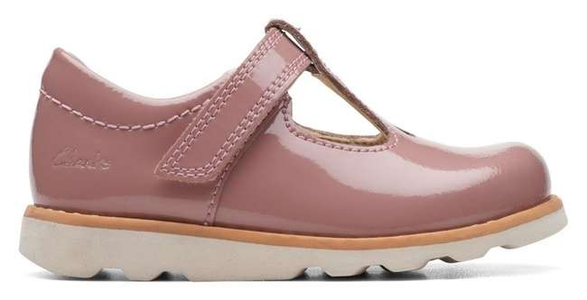 | 26169221 | Crown Teen T. Dusty Pink Pat | Shoes | Childrens | 8 | 59.95 € | 479.60 € | 225 | H (XW) | 5059680801167 | 6403999190 | Leather | EVA | Textile | Textile | 15 | Riptape | C G Out-School Shoes | 261692218060 | Crown Teen T. Dusty Pink Pat, H; 6 | India
 |  |  |  |  | 8 | 59.95 € | 479.60 € | 230 | H (XW) | 5059680801174 |  |  |  |  |  |  |  |  |  | Crown Teen T. Dusty Pink Pat, H; 6+
 |  |  |  |  | 12 | 59.95 € | 719.40 € | 230 | G (W) | 5059680801112 |  |  |  |  |  |  |  |  |  | Crown Teen T. Dusty Pink Pat, G; 6+
 |  |  |  |  | 13 | 59.95 € | 779.35 € | 225 | F (M) | 5059680801044 |  |  |  |  |  |  |  |  |  | Crown Teen T. Dusty Pink Pat, F; 6
 |  |  |  |  | 13 | 59.95 € | 779.35 € | 225 | G (W) | 5059680801105 |  |  |  |  |  |  |  |  |  | Crown Teen T. Dusty Pink Pat, G; 6
 |  |  |  |  | 14 | 59.95 € | 839.30 € | 230 | F (M) | 5059680801051 |  |  |  |  |  |  |  |  |  | Crown Teen T. Dusty Pink Pat, F; 6+
 |  |  |  |  | 17 | 59.95 € | 1,019.15 € | 220 | H (XW) | 5059680801150 |  |  |  |  |  |  |  |  |  | Crown Teen T. Dusty Pink Pat, H; 5+
 |  |  |  |  | 18 | 59.95 € | 1,079.10 € | 200 | H (XW) | 5059680801129 |  |  |  |  |  |  |  |  |  | Crown Teen T. Dusty Pink Pat, H; 4
 |  |  |  |  | 18 | 59.95 € | 1,079.10 € | 205 | H (XW) | 5059680801136 |  |  |  |  |  |  |  |  |  | Crown Teen T. Dusty Pink Pat, H; 4+
 |  |  |  |  | 18 | 59.95 € | 1,079.10 € | 210 | H (XW) | 5059680801143 |  |  |  |  |  |  |  |  |  | Crown Teen T. Dusty Pink Pat, H; 5
 |  |  |  |  | 20 | 59.95 € | 1,199.00 € | 200 | G (W) | 5059680801068 |  |  |  |  |  |  |  |  |  | Crown Teen T. Dusty Pink Pat, G; 4
 |  |  |  |  | 20 | 59.95 € | 1,199.00 € | 205 | G (W) | 5059680801075 |  |  |  |  |  |  |  |  |  | Crown Teen T. Dusty Pink Pat, G; 4+
 |  |  |  |  | 21 | 59.95 € | 1,258.95 € | 200 | F (M) | 5059680801006 |  |  |  |  |  |  |  |  |  | Crown Teen T. Dusty Pink Pat, F; 4
 |  |  |  |  | 21 | 59.95 € | 1,258.95 € | 210 | F (M) | 5059680801020 |  |  |  |  |  |  |  |  |  | Crown Teen T. Dusty Pink Pat, F; 5
 |  |  |  |  | 21 | 59.95 € | 1,258.95 € | 210 | G (W) | 5059680801082 |  |  |  |  |  |  |  |  |  | Crown Teen T. Dusty Pink Pat, G; 5
 |  |  |  |  | 21 | 59.95 € | 1,258.95 € | 220 | G (W) | 5059680801099 |  |  |  |  |  |  |  |  |  | Crown Teen T. Dusty Pink Pat, G; 5+
 |  |  |  |  | 22 | 59.95 € | 1,318.90 € | 205 | F (M) | 5059680801013 |  |  |  |  |  |  |  |  |  | Crown Teen T. Dusty Pink Pat, F; 4+
 |  |  |  |  | 22 | 59.95 € | 1,318.90 € | 220 | F (M) | 5059680801037 |  |  |  |  |  |  |  |  |  | Crown Teen T. Dusty Pink Pat, F; 5+
 | Total 26169221 |  |  |  | 307 | 59.95 € | 18,404.65 €
 | 26178650 | Daze Step 2 K Black Leather | Shoes | Childrens | 1 | 75.95 € | 75.95 € | 340 | G (W) | 5063090884528 | 6403999190 | Leather | TPR | Textile | Textile | 20 | Riptape | C B School Shoes | 261786507020 | Daze Step 2 K Black Leather, G; 2 | India
 | 26178650 | Daze Step 2 K Black Leather | Shoes | Childrens | 1 | 75.95 € | 75.95 € | 300 | G (W) | 5063090884580 | 6403999190 | Leather | TPR | Textile | Textile | 20 | Riptape | C B School Shoes | 261786507120 | Daze Step 2 K Black Leather, G; 12 | India
 | 26178650 | Daze Step 2 K Black Leather | Shoes | Childrens | 1 | 75.95 € | 75.95 € | 310 | G (W) | 5063090884597 | 6403999190 | Leather | TPR | Textile | Textile | 20 | Riptape | C B School Shoes | 261786507125 | Daze Step 2 K Black Leather, G; 12+ | India
 | 26178650 | Daze Step 2 K Black Leather | Shoes | Childrens | 2 | 75.95 € | 151.90 € | 350 | G (W) | 5063090884535 | 6403999190 | Leather | TPR | Textile | Textile | 20 | Riptape | C B School Shoes | 261786507025 | Daze Step 2 K Black Leather, G; 2+ | India
 | Total 26178650 |  |  |  | 5 | 75.95 € | 379.75 €
 | 26178649 | Daze Step 2 Y Black Leather | Shoes | Childrens | 1 | 79.95 € | 79.95 € | 370 | G (W) | 5063090885099 | 6403999390 | Leather | TPR | Textile | Textile | 20 | Riptape | C B School Shoes | 261786497040 | Daze Step 2 Y Black Leather, G; 4 | India
 | 26178649 | Daze Step 2 Y Black Leather | Shoes | Childrens | 1 | 79.95 € | 79.95 € | 410 | G (W) | 5063090885150 | 6403999390 | Leather | TPR | Textile | Textile | 20 | Riptape | C B School Shoes | 261786497070 | Daze Step 2 Y Black Leather, G; 7 | India
 | 26178649 | Daze Step 2 Y Black Leather | Shoes | Childrens | 2 | 79.95 € | 159.90 € | 380 | G (W) | 5063090885112 | 6403999390 | Leather | TPR | Textile | Textile | 20 | Riptape | C B School Shoes | 261786497050 | Daze Step 2 Y Black Leather, G; 5 | India
 | 26178649 | Daze Step 2 Y Black Leather | Shoes | Childrens | 2 | 79.95 € | 159.90 € | 390 | G (W) | 5063090885129 | 6403999390 | Leather | TPR | Textile | Textile | 20 | Riptape | C B School Shoes | 261786497055 | Daze Step 2 Y Black Leather, G; 5+ | India
 | Total 26178649 |  |  |  | 6 | 79.95 € | 479.70 €
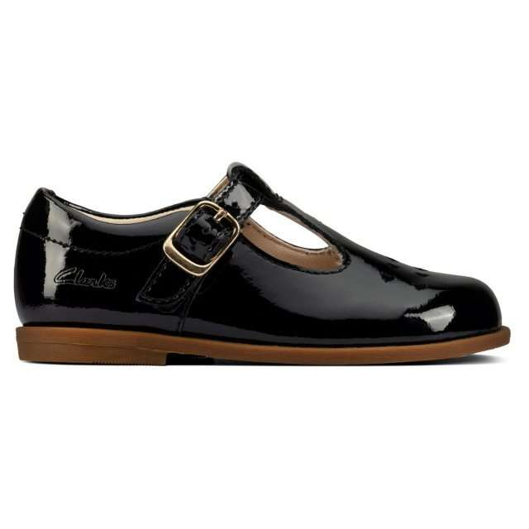 | 26157658 | Drew Play T Black Pat | Shoes | Childrens | 14 | 59.95 € | 839.30 € | 250 | G (W) | 5059304400455 | 6403999190 | Leather | Rubber | Synthetic | Leather | 15 | Buckle | C G Pre-School Shoes | 261576587075 | Drew Play T Black Pat, G; 7+ | Vietnam
 |  |  |  |  | 14 | 59.95 € | 839.30 € | 255 |  | 5059304400462 |  |  |  |  |  |  |  |  | 261576587080 | Drew Play T Black Pat, G; 8
 |  |  |  |  | 14 | 59.95 € | 839.30 € | 260 |  | 5059304400479 |  |  |  |  |  |  |  |  | 261576587085 | Drew Play T Black Pat, G; 8+
 |  |  |  |  | 14 | 59.95 € | 839.30 € | 270 |  | 5059304400486 |  |  |  |  |  |  |  |  | 261576587090 | Drew Play T Black Pat, G; 9
 |  |  |  |  | 14 | 59.95 € | 839.30 € | 275 |  | 5059304400493 |  |  |  |  |  |  |  |  | 261576587095 | Drew Play T Black Pat, G; 9+
 |  |  |  |  | 19 | 59.95 € | 1,139.05 € | 205 |  | 5059304400394 |  |  |  |  |  |  |  |  | 261576587045 | Drew Play T Black Pat, G; 4+
 |  |  |  |  | 19 | 59.95 € | 1,139.05 € | 220 |  | 5059304400417 |  |  |  |  |  |  |  |  | 261576587055 | Drew Play T Black Pat, G; 5+
 |  |  |  |  | 20 | 59.95 € | 1,199.00 € | 200 |  | 5059304400387 |  |  |  |  |  |  |  |  | 261576587040 | Drew Play T Black Pat, G; 4
 |  |  |  |  | 20 | 59.95 € | 1,199.00 € | 210 |  | 5059304400400 |  |  |  |  |  |  |  |  | 261576587050 | Drew Play T Black Pat, G; 5
 |  |  |  |  | 20 | 59.95 € | 1,199.00 € | 225 |  | 5059304400424 |  |  |  |  |  |  |  |  | 261576587060 | Drew Play T Black Pat, G; 6
 |  |  |  |  | 20 | 59.95 € | 1,199.00 € | 230 |  | 5059304400431 |  |  |  |  |  |  |  |  | 261576587065 | Drew Play T Black Pat, G; 6+
 |  |  |  |  | 30 | 59.95 € | 1,798.50 € | 240 |  | 5059304400448 |  |  |  |  |  |  |  |  | 261576587070 | Drew Play T Black Pat, G; 7
 | Total 26157658 |  |  |  | 218 | 59.95 € | 13,069.10 €
 | 26145542 | Emery Sky T Navy Leather | Shoes | Childrens | 1 | 49.95 € | 49.95 € | 240 | F (M) | 5050409329795 | 6403999190 | Leather | Rubber | Textile | Textile | 20 | None | C B Out-School Shoes | 261455426070 | Emery Sky T Navy Leather, F; 7 | Vietnam
 | Total 26145542 |  |  |  | 1 | 49.95 € | 49.95 €
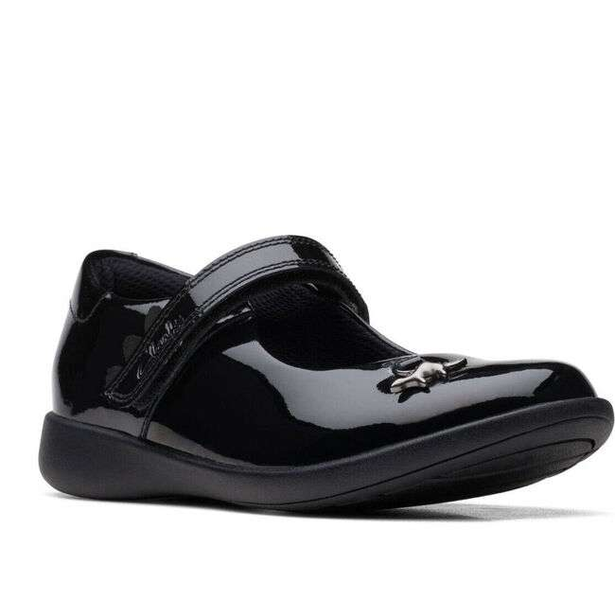 | 26169547 | Etch Mist K. Black Pat | Shoes | Childrens | 12 | 69.95 € | 839.40 € | 250 | F (M) | 5059680828416 | 6403999190 | Coated Leather | Rubber | Textile | Textile | 25 | Riptape | C G School Shoes | 261695476075 | Etch Mist K. Black Pat, F; 7+ | Cambodia
 |  |  |  |  | 12 | 69.95 € | 839.40 € | 260 | F (M) | 5059680828430 |  |  |  |  |  |  |  |  | 261695476085 | Etch Mist K. Black Pat, F; 8+
 |  |  |  |  | 12 | 69.95 € | 839.40 € | 285 | F (M) | 5059680828478 |  |  |  |  |  |  |  |  | 261695476105 | Etch Mist K. Black Pat, F; 10+
 |  |  |  |  | 12 | 69.95 € | 839.40 € | 295 | F (M) | 5059680828492 |  |  |  |  |  |  |  |  | 261695476115 | Etch Mist K. Black Pat, F; 11+
 |  |  |  |  | 12 | 69.95 € | 839.40 € | 310 | F (M) | 5059680828515 |  |  |  |  |  |  |  |  | 261695476125 | Etch Mist K. Black Pat, F; 12+
 |  |  |  |  | 14 | 69.95 € | 979.30 € | 240 | G (W) | 5059680828522 |  |  |  |  |  |  |  |  | 261695477070 | Etch Mist K. Black Pat, G; 7
 |  |  |  |  | 14 | 69.95 € | 979.30 € | 250 | G (W) | 5059680828539 |  |  |  |  |  |  |  |  | 261695477075 | Etch Mist K. Black Pat, G; 7+
 |  |  |  |  | 14 | 69.95 € | 979.30 € | 255 | G (W) | 5059680828546 |  |  |  |  |  |  |  |  | 261695477080 | Etch Mist K. Black Pat, G; 8
 |  |  |  |  | 14 | 69.95 € | 979.30 € | 260 | G (W) | 5059680828553 |  |  |  |  |  |  |  |  | 261695477085 | Etch Mist K. Black Pat, G; 8+
 |  |  |  |  | 14 | 69.95 € | 979.30 € | 270 | G (W) | 5059680828560 |  |  |  |  |  |  |  |  | 261695477090 | Etch Mist K. Black Pat, G; 9
 |  |  |  |  | 14 | 69.95 € | 979.30 € | 275 | G (W) | 5059680828577 |  |  |  |  |  |  |  |  | 261695477095 | Etch Mist K. Black Pat, G; 9+
 |  |  |  |  | 14 | 69.95 € | 979.30 € | 280 | G (W) | 5059680828584 |  |  |  |  |  |  |  |  | 261695477100 | Etch Mist K. Black Pat, G; 10
 |  |  |  |  | 14 | 69.95 € | 979.30 € | 285 | G (W) | 5059680828591 |  |  |  |  |  |  |  |  | 261695477105 | Etch Mist K. Black Pat, G; 10+
 |  |  |  |  | 14 | 69.95 € | 979.30 € | 290 | G (W) | 5059680828607 |  |  |  |  |  |  |  |  | 261695477110 | Etch Mist K. Black Pat, G; 11
 |  |  |  |  | 14 | 69.95 € | 979.30 € | 295 | G (W) | 5059680828614 |  |  |  |  |  |  |  |  | 261695477115 | Etch Mist K. Black Pat, G; 11+
 |  |  |  |  | 14 | 69.95 € | 979.30 € | 300 | G (W) | 5059680828621 |  |  |  |  |  |  |  |  | 261695477120 | Etch Mist K. Black Pat, G; 12
 |  |  |  |  | 14 | 69.95 € | 979.30 € | 310 | G (W) | 5059680828638 |  |  |  |  |  |  |  |  | 261695477125 | Etch Mist K. Black Pat, G; 12+
 |  |  |  |  | 26 | 69.95 € | 1,818.70 € | 270 | F (M) | 5059680828447 |  |  |  |  |  |  |  |  | 261695476090 | Etch Mist K. Black Pat, F; 9
 |  |  |  |  | 26 | 69.95 € | 1,818.70 € | 275 | F (M) | 5059680828454 |  |  |  |  |  |  |  |  | 261695476095 | Etch Mist K. Black Pat, F; 9+
 |  |  |  |  | 26 | 69.95 € | 1,818.70 € | 280 | F (M) | 5059680828461 |  |  |  |  |  |  |  |  | 261695476100 | Etch Mist K. Black Pat, F; 10
 |  |  |  |  | 27 | 69.95 € | 1,888.65 € | 290 | F (M) | 5059680828485 |  |  |  |  |  |  |  |  | 261695476110 | Etch Mist K. Black Pat, F; 11
 |  |  |  |  | 27 | 69.95 € | 1,888.65 € | 300 | F (M) | 5059680828508 |  |  |  |  |  |  |  |  | 261695476120 | Etch Mist K. Black Pat, F; 12
 |  |  |  |  | 28 | 69.95 € | 1,958.60 € | 240 | F (M) | 5059680828409 |  |  |  |  |  |  |  |  | 261695476070 | Etch Mist K. Black Pat, F; 7
 |  |  |  |  | 28 | 69.95 € | 1,958.60 € | 255 | F (M) | 5059680828423 |  |  |  |  |  |  |  |  | 261695476080 | Etch Mist K. Black Pat, F; 8
 | Total 26169547 |  |  |  | 416 | 69.95 € | 29,099.20 €
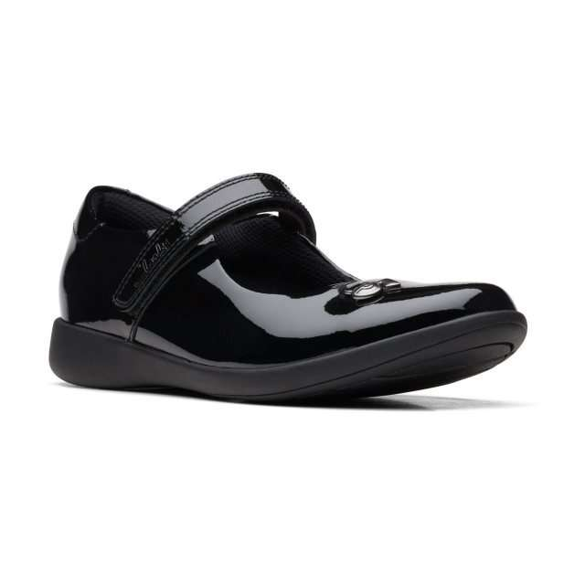 | 26169551 | Etch Mist O. Black Pat | Shoes | Childrens | 14 | 69.95 € | 979.30 € | 330 | G (W) | 5059680828829 | 6403999190 | Coated Leather | Rubber | Textile | Textile | 25 | Riptape | C G School Shoes | 261695517010 | Etch Mist O. Black Pat, G; 1 | Cambodia
 |  |  |  |  | 14 | 69.95 € | 979.30 € | 335 | G (W) | 5059680828836 |  |  |  |  |  |  |  |  | 261695517015 | Etch Mist O. Black Pat, G; 1+
 |  |  |  |  | 14 | 69.95 € | 979.30 € | 340 | G (W) | 5059680828843 |  |  |  |  |  |  |  |  | 261695517020 | Etch Mist O. Black Pat, G; 2
 |  |  |  |  | 14 | 69.95 € | 979.30 € | 350 | G (W) | 5059680828850 |  |  |  |  |  |  |  |  | 261695517025 | Etch Mist O. Black Pat, G; 2+
 |  |  |  |  | 14 | 74.95 € | 1,049.30 € | 355 | G (W) | 5059680828867 |  |  |  |  |  |  |  |  | 261695517030 | Etch Mist O. Black Pat, G; 3
 |  |  |  |  | 14 | 74.95 € | 1,049.30 € | 360 | G (W) | 5059680828874 |  |  |  |  |  |  |  |  | 261695517035 | Etch Mist O. Black Pat, G; 3+
 |  |  |  |  | 14 | 74.95 € | 1,049.30 € | 370 | G (W) | 5059680828881 |  |  |  |  |  |  |  |  | 261695517040 | Etch Mist O. Black Pat, G; 4
 |  |  |  |  | 14 | 69.95 € | 979.30 € | 320 | G (W) | 5059680828898 |  |  |  |  |  |  |  |  | 261695517130 | Etch Mist O. Black Pat, G; 13
 |  |  |  |  | 14 | 69.95 € | 979.30 € | 325 | G (W) | 5059680828904 |  |  |  |  |  |  |  |  | 261695517135 | Etch Mist O. Black Pat, G; 13+
 |  |  |  |  | 19 | 69.95 € | 1,329.05 € | 320 | F (M) | 5059680828805 |  |  |  |  |  |  |  |  | 261695516130 | Etch Mist O. Black Pat, F; 13
 |  |  |  |  | 21 | 69.95 € | 1,468.95 € | 330 | F (M) | 5059680828737 |  |  |  |  |  |  |  |  | 261695516010 | Etch Mist O. Black Pat, F; 1
 |  |  |  |  | 21 | 74.95 € | 1,573.95 € | 355 | F (M) | 5059680828775 |  |  |  |  |  |  |  |  | 261695516030 | Etch Mist O. Black Pat, F; 3
 |  |  |  |  | 21 | 74.95 € | 1,573.95 € | 360 | F (M) | 5059680828782 |  |  |  |  |  |  |  |  | 261695516035 | Etch Mist O. Black Pat, F; 3+
 |  |  |  |  | 21 | 74.95 € | 1,573.95 € | 370 | F (M) | 5059680828799 |  |  |  |  |  |  |  |  | 261695516040 | Etch Mist O. Black Pat, F; 4
 |  |  |  |  | 22 | 69.95 € | 1,538.90 € | 350 | F (M) | 5059680828768 |  |  |  |  |  |  |  |  | 261695516025 | Etch Mist O. Black Pat, F; 2+
 |  |  |  |  | 22 | 69.95 € | 1,538.90 € | 325 | F (M) | 5059680828812 |  |  |  |  |  |  |  |  | 261695516135 | Etch Mist O. Black Pat, F; 13+
 |  |  |  |  | 23 | 69.95 € | 1,608.85 € | 335 | F (M) | 5059680828744 |  |  |  |  |  |  |  |  | 261695516015 | Etch Mist O. Black Pat, F; 1+
 |  |  |  |  | 23 | 69.95 € | 1,608.85 € | 340 | F (M) | 5059680828751 |  |  |  |  |  |  |  |  | 261695516020 | Etch Mist O. Black Pat, F; 2
 | Total 26169551 |  |  |  | 319 | 71.60 € | 22,839.05 €
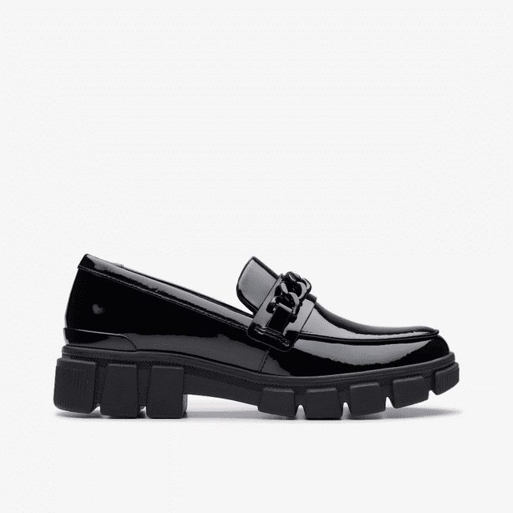 | 26178299 | Evyn Walk Y. Black Pat | Shoes | Childrens | 8 | 79.95 € | 639.60 € | 375 | F (M) | 5063090932496 | 6403999390 | Coated Leather | TR | Textile | Textile | 40 | None | C G School Shoes | 261782996045 | Evyn Walk Y. Black Pat, F; 4+ | Vietnam
 |  |  |  |  | 11 | 79.95 € | 879.45 € | 355 |  | 5063090932465 |  |  |  |  |  |  |  |  | 261782996030 | Evyn Walk Y. Black Pat, F; 3
 |  |  |  |  | 15 | 79.95 € | 1,199.25 € | 380 |  | 5063090932502 |  |  |  |  |  |  |  |  | 261782996050 | Evyn Walk Y. Black Pat, F; 5
 |  |  |  |  | 17 | 79.95 € | 1,359.15 € | 390 |  | 5063090932519 |  |  |  |  |  |  |  |  | 261782996055 | Evyn Walk Y. Black Pat, F; 5+
 |  |  |  |  | 18 | 79.95 € | 1,439.10 € | 400 |  | 5063090932533 |  |  |  |  |  |  |  |  | 261782996065 | Evyn Walk Y. Black Pat, F; 6+
 |  |  |  |  | 19 | 79.95 € | 1,519.05 € | 395 |  | 5063090932526 |  |  |  |  |  |  |  |  | 261782996060 | Evyn Walk Y. Black Pat, F; 6
 |  |  |  |  | 19 | 79.95 € | 1,519.05 € | 410 |  | 5063090932540 |  |  |  |  |  |  |  |  | 261782996070 | Evyn Walk Y. Black Pat, F; 7
 |  |  |  |  | 20 | 79.95 € | 1,599.00 € | 360 |  | 5063090932472 |  |  |  |  |  |  |  |  | 261782996035 | Evyn Walk Y. Black Pat, F; 3+
 |  |  |  |  | 20 | 79.95 € | 1,599.00 € | 370 |  | 5063090932489 |  |  |  |  |  |  |  |  | 261782996040 | Evyn Walk Y. Black Pat, F; 4
 | Total 26178299 |  |  |  | 147 | 79.95 € | 11,752.65 €
 | 26172029 | Ezera Walk T. Blue Textile | Shoes | Childrens | 1 | 34.95 € | 34.95 € | 230 | F (M) | 5063090077258 | 6404110000 | Textile | TPR | Textile | Textile | 20 | Not assigned | C G Sp Pre-Sch Shoes | 261720296065 | Ezera Walk T. Blue Textile, F; 6+ | China
 | Total 26172029 |  |  |  | 1 | 34.95 € | 34.95 €
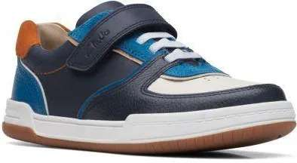 | 26167288 | Fawn Craft K Navy Combi | Shoes | Childrens | 4 | 59.95 € | 239.80 € | 250 | G (W) | 5059680838491 | 6403999190 | Leather | Rubber | Leather | Leather | 25 | ElasticLace RipTape | C B Out-School Shoes | 261672887075 | Fawn Craft K Navy Combi, G; 7+ | India
 |  |  |  |  | 4 | 59.95 € | 239.80 € | 260 | G (W) | 5059680838514 |  |  |  |  |  |  |  |  | 261672887085 | Fawn Craft K Navy Combi, G; 8+
 |  |  |  |  | 5 | 59.95 € | 299.75 € | 240 | G (W) | 5059680838484 |  |  |  |  |  |  |  |  | 261672887070 | Fawn Craft K Navy Combi, G; 7
 |  |  |  |  | 5 | 59.95 € | 299.75 € | 290 | G (W) | 5059680838569 |  |  |  |  |  |  |  |  | 261672887110 | Fawn Craft K Navy Combi, G; 11
 |  |  |  |  | 5 | 59.95 € | 299.75 € | 300 | G (W) | 5059680838583 |  |  |  |  |  |  |  |  | 261672887120 | Fawn Craft K Navy Combi, G; 12
 |  |  |  |  | 5 | 59.95 € | 299.75 € | 310 | G (W) | 5059680838590 |  |  |  |  |  |  |  |  | 261672887125 | Fawn Craft K Navy Combi, G; 12+
 |  |  |  |  | 6 | 59.95 € | 359.70 € | 270 | G (W) | 5059680838521 |  |  |  |  |  |  |  |  | 261672887090 | Fawn Craft K Navy Combi, G; 9
 |  |  |  |  | 6 | 59.95 € | 359.70 € | 275 | G (W) | 5059680838538 |  |  |  |  |  |  |  |  | 261672887095 | Fawn Craft K Navy Combi, G; 9+
 |  |  |  |  | 6 | 59.95 € | 359.70 € | 285 | G (W) | 5059680838552 |  |  |  |  |  |  |  |  | 261672887105 | Fawn Craft K Navy Combi, G; 10+
 |  |  |  |  | 7 | 59.95 € | 419.65 € | 295 | G (W) | 5059680838576 |  |  |  |  |  |  |  |  | 261672887115 | Fawn Craft K Navy Combi, G; 11+
 |  |  |  |  | 8 | 59.95 € | 479.60 € | 255 | G (W) | 5059680838507 |  |  |  |  |  |  |  |  | 261672887080 | Fawn Craft K Navy Combi, G; 8
 |  |  |  |  | 8 | 59.95 € | 479.60 € | 280 | G (W) | 5059680838545 |  |  |  |  |  |  |  |  | 261672887100 | Fawn Craft K Navy Combi, G; 10
 |  |  |  |  | 9 | 59.95 € | 539.55 € | 250 | F (M) | 5059680838378 |  |  |  |  |  |  |  |  | 261672886075 | Fawn Craft K Navy Combi, F; 7+
 |  |  |  |  | 11 | 59.95 € | 659.45 € | 255 | F (M) | 5059680838385 |  |  |  |  |  |  |  |  | 261672886080 | Fawn Craft K Navy Combi, F; 8
 |  |  |  |  | 11 | 59.95 € | 659.45 € | 260 | F (M) | 5059680838392 |  |  |  |  |  |  |  |  | 261672886085 | Fawn Craft K Navy Combi, F; 8+
 |  |  |  |  | 11 | 59.95 € | 659.45 € | 270 | F (M) | 5059680838408 |  |  |  |  |  |  |  |  | 261672886090 | Fawn Craft K Navy Combi, F; 9
 |  |  |  |  | 11 | 59.95 € | 659.45 € | 275 | F (M) | 5059680838415 |  |  |  |  |  |  |  |  | 261672886095 | Fawn Craft K Navy Combi, F; 9+
 |  |  |  |  | 11 | 59.95 € | 659.45 € | 280 | F (M) | 5059680838422 |  |  |  |  |  |  |  |  | 261672886100 | Fawn Craft K Navy Combi, F; 10
 |  |  |  |  | 16 | 59.95 € | 959.20 € | 290 | F (M) | 5059680838446 |  |  |  |  |  |  |  |  | 261672886110 | Fawn Craft K Navy Combi, F; 11
 |  |  |  |  | 16 | 59.95 € | 959.20 € | 300 | F (M) | 5059680838460 |  |  |  |  |  |  |  |  | 261672886120 | Fawn Craft K Navy Combi, F; 12
 | Total 26167288 |  |  |  | 165 | 59.95 € | 9,891.75 €
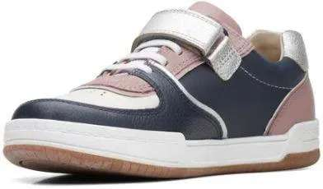 | 26167289 | Fawn Craft K. Pink/Navy Combi | Shoes | Childrens | 35 | 59.95 € | 2,098.25 € | 240 | F (M) | 5059680834493 | 6403999190 | Leather | Rubber | Leather | Leather | 25 | ElasticLace RipTape | C G Out-School Shoes | 261672896070 | Fawn Craft K. Pink/Navy Combi, F; 7 | India
 |  |  |  |  | 35 | 59.95 € | 2,098.25 € | 250 | F (M) | 5059680834509 |  |  |  |  |  |  |  |  | 261672896075 | Fawn Craft K. Pink/Navy Combi, F; 7+
 |  |  |  |  | 35 | 59.95 € | 2,098.25 € | 260 | F (M) | 5059680834523 |  |  |  |  |  |  |  |  | 261672896085 | Fawn Craft K. Pink/Navy Combi, F; 8+
 |  |  |  |  | 37 | 59.95 € | 2,218.15 € | 255 | F (M) | 5059680834516 |  |  |  |  |  |  |  |  | 261672896080 | Fawn Craft K. Pink/Navy Combi, F; 8
 |  |  |  |  | 37 | 59.95 € | 2,218.15 € | 310 | F (M) | 5059680834608 |  |  |  |  |  |  |  |  | 261672896125 | Fawn Craft K. Pink/Navy Combi, F; 12+
 |  |  |  |  | 39 | 59.95 € | 2,338.05 € | 285 | F (M) | 5059680834561 |  |  |  |  |  |  |  |  | 261672896105 | Fawn Craft K. Pink/Navy Combi, F; 10+
 |  |  |  |  | 39 | 59.95 € | 2,338.05 € | 295 | F (M) | 5059680834585 |  |  |  |  |  |  |  |  | 261672896115 | Fawn Craft K. Pink/Navy Combi, F; 11+
 |  |  |  |  | 49 | 59.95 € | 2,937.55 € | 270 | F (M) | 5059680834530 |  |  |  |  |  |  |  |  | 261672896090 | Fawn Craft K. Pink/Navy Combi, F; 9
 |  |  |  |  | 49 | 59.95 € | 2,937.55 € | 275 | F (M) | 5059680834547 |  |  |  |  |  |  |  |  | 261672896095 | Fawn Craft K. Pink/Navy Combi, F; 9+
 |  |  |  |  | 53 | 59.95 € | 3,177.35 € | 290 | F (M) | 5059680834578 |  |  |  |  |  |  |  |  | 261672896110 | Fawn Craft K. Pink/Navy Combi, F; 11
 |  |  |  |  | 53 | 59.95 € | 3,177.35 € | 300 | F (M) | 5059680834592 |  |  |  |  |  |  |  |  | 261672896120 | Fawn Craft K. Pink/Navy Combi, F; 12
 |  |  |  |  | 66 | 59.95 € | 3,956.70 € | 280 | F (M) | 5059680834554 |  |  |  |  |  |  |  |  | 261672896100 | Fawn Craft K. Pink/Navy Combi, F; 10
 | Total 26167289 |  |  |  | 527 | 59.95 € | 31,593.65 €
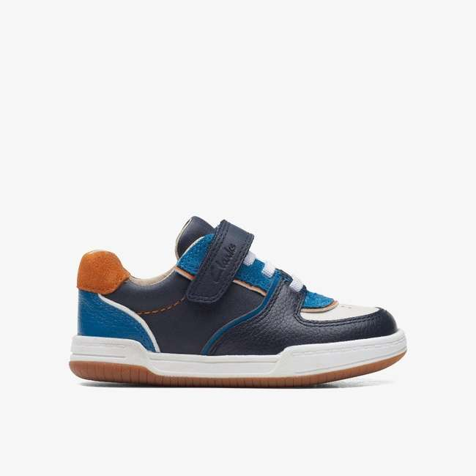 | 26167290 | Fawn Craft O Navy Combi | Shoes | Childrens | 9 | 64.95 € | 584.55 € | 375 | G (W) | 5059680833731 | 6403999390 | Leather | Rubber | Leather | Leather | 25 | ElasticLace RipTape | C B Out-School Shoes | 261672907045 | Fawn Craft O Navy Combi, G; 4+ | India
 |  |  |  |  | 10 | 59.95 € | 599.50 € | 330 |  | 5059680833663 |  |  |  |  |  |  |  |  | 261672907010 | Fawn Craft O Navy Combi, G; 1
 |  |  |  |  | 10 | 59.95 € | 599.50 € | 350 |  | 5059680833694 |  |  |  |  |  |  |  |  | 261672907025 | Fawn Craft O Navy Combi, G; 2+
 |  |  |  |  | 15 | 64.95 € | 974.25 € | 390 |  | 5059680833755 |  |  |  |  |  |  |  |  | 261672907055 | Fawn Craft O Navy Combi, G; 5+
 |  |  |  |  | 15 | 59.95 € | 899.25 € | 325 |  | 5059680833779 |  |  |  |  |  |  |  |  | 261672907135 | Fawn Craft O Navy Combi, G; 13+
 |  |  |  |  | 17 | 64.95 € | 1,104.15 € | 355 |  | 5059680833700 |  |  |  |  |  |  |  |  | 261672907030 | Fawn Craft O Navy Combi, G; 3
 |  |  |  |  | 17 | 64.95 € | 1,104.15 € | 370 |  | 5059680833724 |  |  |  |  |  |  |  |  | 261672907040 | Fawn Craft O Navy Combi, G; 4
 |  |  |  |  | 17 | 64.95 € | 1,104.15 € | 380 |  | 5059680833748 |  |  |  |  |  |  |  |  | 261672907050 | Fawn Craft O Navy Combi, G; 5
 |  |  |  |  | 18 | 59.95 € | 1,079.10 € | 335 |  | 5059680833670 |  |  |  |  |  |  |  |  | 261672907015 | Fawn Craft O Navy Combi, G; 1+
 |  |  |  |  | 18 | 64.95 € | 1,169.10 € | 360 |  | 5059680833717 |  |  |  |  |  |  |  |  | 261672907035 | Fawn Craft O Navy Combi, G; 3+
 |  |  |  |  | 24 | 59.95 € | 1,438.80 € | 340 |  | 5059680833687 |  |  |  |  |  |  |  |  | 261672907020 | Fawn Craft O Navy Combi, G; 2
 |  |  |  |  | 25 | 59.95 € | 1,498.75 € | 320 |  | 5059680833762 |  |  |  |  |  |  |  |  | 261672907130 | Fawn Craft O Navy Combi, G; 13
 | Total 26167290 |  |  |  | 195 | 62.33 € | 12,155.25 €
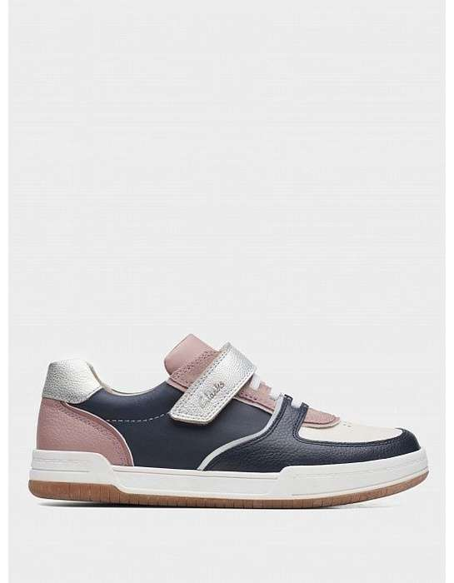 | 26167291 | Fawn Craft O. Pink/Navy Combi | Shoes | Childrens | 7 | 64.95 € | 454.65 € | 390 | F (M) | 5059680838095 | 6403999390 | Leather | Rubber | Leather | Leather | 25 | ElasticLace RipTape | C G Out-School Shoes | 261672916055 | Fawn Craft O. Pink/Navy Combi, F; 5+ | India
 |  |  |  |  | 21 | 59.95 € | 1,258.95 € | 325 |  | 5059680838118 |  |  |  |  |  |  |  |  | 261672916135 | Fawn Craft O. Pink/Navy Combi, F; 13+
 |  |  |  |  | 22 | 59.95 € | 1,318.90 € | 350 |  | 5059680838033 |  |  |  |  |  |  |  |  | 261672916025 | Fawn Craft O. Pink/Navy Combi, F; 2+
 |  |  |  |  | 22 | 64.95 € | 1,428.90 € | 360 |  | 5059680838057 |  |  |  |  |  |  |  |  | 261672916035 | Fawn Craft O. Pink/Navy Combi, F; 3+
 |  |  |  |  | 22 | 64.95 € | 1,428.90 € | 380 |  | 5059680838088 |  |  |  |  |  |  |  |  | 261672916050 | Fawn Craft O. Pink/Navy Combi, F; 5
 |  |  |  |  | 23 | 64.95 € | 1,493.85 € | 370 |  | 5059680838064 |  |  |  |  |  |  |  |  | 261672916040 | Fawn Craft O. Pink/Navy Combi, F; 4
 |  |  |  |  | 24 | 59.95 € | 1,438.80 € | 335 |  | 5059680838019 |  |  |  |  |  |  |  |  | 261672916015 | Fawn Craft O. Pink/Navy Combi, F; 1+
 |  |  |  |  | 26 | 64.95 € | 1,688.70 € | 375 |  | 5059680838071 |  |  |  |  |  |  |  |  | 261672916045 | Fawn Craft O. Pink/Navy Combi, F; 4+
 |  |  |  |  | 32 | 59.95 € | 1,918.40 € | 330 |  | 5059680838002 |  |  |  |  |  |  |  |  | 261672916010 | Fawn Craft O. Pink/Navy Combi, F; 1
 |  |  |  |  | 32 | 59.95 € | 1,918.40 € | 340 |  | 5059680838026 |  |  |  |  |  |  |  |  | 261672916020 | Fawn Craft O. Pink/Navy Combi, F; 2
 |  |  |  |  | 33 | 59.95 € | 1,978.35 € | 320 |  | 5059680838101 |  |  |  |  |  |  |  |  | 261672916130 | Fawn Craft O. Pink/Navy Combi, F; 13
 |  |  |  |  | 37 | 64.95 € | 2,403.15 € | 355 |  | 5059680838040 |  |  |  |  |  |  |  |  | 261672916030 | Fawn Craft O. Pink/Navy Combi, F; 3
 | Total 26167291 |  |  |  | 301 | 62.23 € | 18,729.95 €
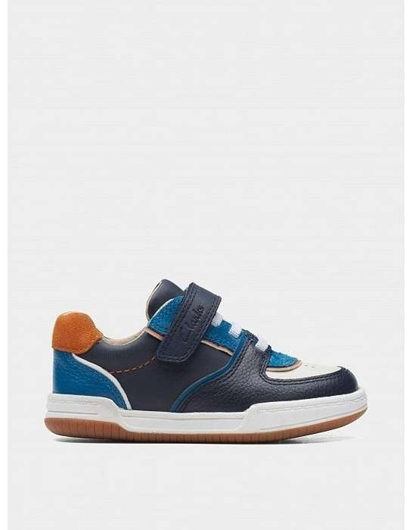 | 26167292 | Fawn Craft T Navy Combi | Shoes | Childrens | 10 | 59.95 € | 599.50 € | 200 | G (W) | 5059680832062 | 6403999190 | Leather | Rubber | Leather | Leather | 20 | ElasticLace RipTape | C B Pre-School Shoes | 261672927040 | Fawn Craft T Navy Combi, G; 4 | India
 |  |  |  |  | 32 | 59.95 € | 1,918.40 € | 230 |  | 5059680832116 |  |  |  |  |  |  |  |  | 261672927065 | Fawn Craft T Navy Combi, G; 6+
 |  |  |  |  | 33 | 59.95 € | 1,978.35 € | 220 |  | 5059680832093 |  |  |  |  |  |  |  |  | 261672927055 | Fawn Craft T Navy Combi, G; 5+
 |  |  |  |  | 34 | 59.95 € | 2,038.30 € | 210 |  | 5059680832086 |  |  |  |  |  |  |  |  | 261672927050 | Fawn Craft T Navy Combi, G; 5
 |  |  |  |  | 35 | 59.95 € | 2,098.25 € | 225 |  | 5059680832109 |  |  |  |  |  |  |  |  | 261672927060 | Fawn Craft T Navy Combi, G; 6
 |  |  |  |  | 38 | 59.95 € | 2,278.10 € | 205 |  | 5059680832079 |  |  |  |  |  |  |  |  | 261672927045 | Fawn Craft T Navy Combi, G; 4+
 | Total 26167292 |  |  |  | 182 | 59.95 € | 10,910.90 €
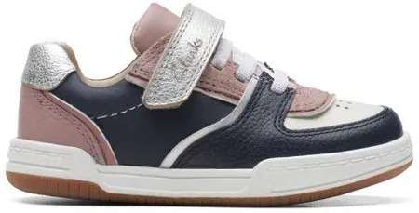 | 26167293 | Fawn Craft T. Pink/Navy Combi | Shoes | Childrens | 14 | 59.95 € | 839.30 € | 230 | F (M) | 5059680831119 | 6403999190 | Leather | Rubber | Leather | Leather | 20 | ElasticLace RipTape | C G Out-School Shoes | 261672936065 | Fawn Craft T. Pink/Navy Combi, F; 6+ | India
 |  |  |  |  | 15 | 59.95 € | 899.25 € | 230 | G (W) | 5059680831171 |  |  |  |  |  |  |  |  | 261672937065 | Fawn Craft T. Pink/Navy Combi, G; 6+
 |  |  |  |  | 16 | 59.95 € | 959.20 € | 225 | F (M) | 5059680831102 |  |  |  |  |  |  |  |  | 261672936060 | Fawn Craft T. Pink/Navy Combi, F; 6
 |  |  |  |  | 16 | 59.95 € | 959.20 € | 225 | G (W) | 5059680831164 |  |  |  |  |  |  |  |  | 261672937060 | Fawn Craft T. Pink/Navy Combi, G; 6
 |  |  |  |  | 22 | 59.95 € | 1,318.90 € | 200 | F (M) | 5059680831065 |  |  |  |  |  |  |  |  | 261672936040 | Fawn Craft T. Pink/Navy Combi, F; 4
 |  |  |  |  | 22 | 59.95 € | 1,318.90 € | 210 | F (M) | 5059680831089 |  |  |  |  |  |  |  |  | 261672936050 | Fawn Craft T. Pink/Navy Combi, F; 5
 |  |  |  |  | 22 | 59.95 € | 1,318.90 € | 220 | F (M) | 5059680831096 |  |  |  |  |  |  |  |  | 261672936055 | Fawn Craft T. Pink/Navy Combi, F; 5+
 |  |  |  |  | 23 | 59.95 € | 1,378.85 € | 200 | G (W) | 5059680831126 |  |  |  |  |  |  |  |  | 261672937040 | Fawn Craft T. Pink/Navy Combi, G; 4
 |  |  |  |  | 23 | 59.95 € | 1,378.85 € | 205 | G (W) | 5059680831133 |  |  |  |  |  |  |  |  | 261672937045 | Fawn Craft T. Pink/Navy Combi, G; 4+
 |  |  |  |  | 23 | 59.95 € | 1,378.85 € | 220 | G (W) | 5059680831157 |  |  |  |  |  |  |  |  | 261672937055 | Fawn Craft T. Pink/Navy Combi, G; 5+
 |  |  |  |  | 24 | 59.95 € | 1,438.80 € | 205 | F (M) | 5059680831072 |  |  |  |  |  |  |  |  | 261672936045 | Fawn Craft T. Pink/Navy Combi, F; 4+
 |  |  |  |  | 24 | 59.95 € | 1,438.80 € | 210 | G (W) | 5059680831140 |  |  |  |  |  |  |  |  | 261672937050 | Fawn Craft T. Pink/Navy Combi, G; 5
 | Total 26167293 |  |  |  | 244 | 59.95 € | 14,627.80 €
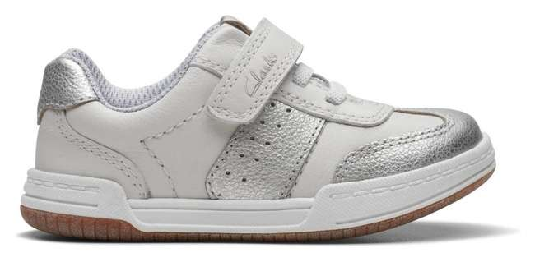 | 26170653 | Fawn Family T. White Metallic | Shoes | Childrens | 3 | 64.95 € | 194.85 € | 220 | F (M) | 5063090095634 | 6403999190 | Leather | Rubber | Sheepskin | Leather | 20 | Lace and Rip Tape | C G Pre-School Shoes | 261706536055 | Fawn Family T. White Metallic, F; 5+ | India
 |  |  |  |  | 3 | 64.95 € | 194.85 € | 210 | G (W) | 5063090095689 |  |  |  |  |  |  |  |  | 261706537050 | Fawn Family T. White Metallic, G; 5
 |  |  |  |  | 3 | 64.95 € | 194.85 € | 230 | G (W) | 5063090095719 |  |  |  |  |  |  |  |  | 261706537065 | Fawn Family T. White Metallic, G; 6+
 |  |  |  |  | 4 | 64.95 € | 259.80 € | 200 | F (M) | 5063090095603 |  |  |  |  |  |  |  |  | 261706536040 | Fawn Family T. White Metallic, F; 4
 |  |  |  |  | 4 | 64.95 € | 259.80 € | 210 | F (M) | 5063090095627 |  |  |  |  |  |  |  |  | 261706536050 | Fawn Family T. White Metallic, F; 5
 |  |  |  |  | 5 | 64.95 € | 324.75 € | 205 | F (M) | 5063090095610 |  |  |  |  |  |  |  |  | 261706536045 | Fawn Family T. White Metallic, F; 4+
 |  |  |  |  | 5 | 64.95 € | 324.75 € | 225 | F (M) | 5063090095641 |  |  |  |  |  |  |  |  | 261706536060 | Fawn Family T. White Metallic, F; 6
 |  |  |  |  | 5 | 64.95 € | 324.75 € | 200 | G (W) | 5063090095665 |  |  |  |  |  |  |  |  | 261706537040 | Fawn Family T. White Metallic, G; 4
 |  |  |  |  | 5 | 64.95 € | 324.75 € | 205 | G (W) | 5063090095672 |  |  |  |  |  |  |  |  | 261706537045 | Fawn Family T. White Metallic, G; 4+
 |  |  |  |  | 5 | 64.95 € | 324.75 € | 220 | G (W) | 5063090095696 |  |  |  |  |  |  |  |  | 261706537055 | Fawn Family T. White Metallic, G; 5+
 |  |  |  |  | 5 | 64.95 € | 324.75 € | 225 | G (W) | 5063090095702 |  |  |  |  |  |  |  |  | 261706537060 | Fawn Family T. White Metallic, G; 6
 | Total 26170653 |  |  |  | 47 | 64.95 € | 3,052.65 €
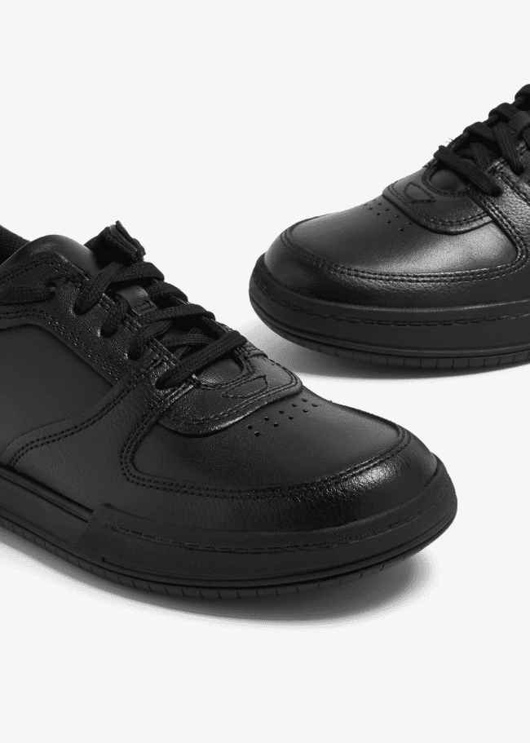 | 26167302 | Fawn Lay Y Black Leather | Shoes | Childrens | 3 | 69.95 € | 209.85 € | 375 | G (W) | 5059680703645 | 6403999390 | Leather | Rubber | Textile | Textile | 25 | Lace | C B School Shoes | 261673027045 | Fawn Lay Y Black Leather, G; 4+ | India
 |  |  |  |  | 4 | 69.95 € | 279.80 € | 370 | F (M) | 5059680703577 |  |  |  |  |  |  |  |  | 261673026040 | Fawn Lay Y Black Leather, F; 4
 |  |  |  |  | 8 | 69.95 € | 559.60 € | 360 | G (W) | 5059680703621 |  |  |  |  |  |  |  |  | 261673027035 | Fawn Lay Y Black Leather, G; 3+
 |  |  |  |  | 10 | 69.95 € | 699.50 € | 360 | F (M) | 5059680703560 |  |  |  |  |  |  |  |  | 261673026035 | Fawn Lay Y Black Leather, F; 3+
 |  |  |  |  | 10 | 69.95 € | 699.50 € | 380 | F (M) | 5059680703591 |  |  |  |  |  |  |  |  | 261673026050 | Fawn Lay Y Black Leather, F; 5
 |  |  |  |  | 12 | 69.95 € | 839.40 € | 390 | F (M) | 5059680703607 |  |  |  |  |  |  |  |  | 261673026055 | Fawn Lay Y Black Leather, F; 5+
 |  |  |  |  | 12 | 69.95 € | 839.40 € | 380 | G (W) | 5059680703652 |  |  |  |  |  |  |  |  | 261673027050 | Fawn Lay Y Black Leather, G; 5
 |  |  |  |  | 13 | 69.95 € | 909.35 € | 370 | G (W) | 5059680703638 |  |  |  |  |  |  |  |  | 261673027040 | Fawn Lay Y Black Leather, G; 4
 |  |  |  |  | 15 | 69.95 € | 1,049.25 € | 390 | G (W) | 5059680703669 |  |  |  |  |  |  |  |  | 261673027055 | Fawn Lay Y Black Leather, G; 5+
 |  |  |  |  | 18 | 69.95 € | 1,259.10 € | 375 | F (M) | 5059680703584 |  |  |  |  |  |  |  |  | 261673026045 | Fawn Lay Y Black Leather, F; 4+
 |  |  |  |  | 24 | 69.95 € | 1,678.80 € | 355 | F (M) | 5059680703553 |  |  |  |  |  |  |  |  | 261673026030 | Fawn Lay Y Black Leather, F; 3
 |  |  |  |  | 24 | 69.95 € | 1,678.80 € | 355 | G (W) | 5059680703614 |  |  |  |  |  |  |  |  | 261673027030 | Fawn Lay Y Black Leather, G; 3
 | Total 26167302 |  |  |  | 153 | 69.95 € | 10,702.35 €
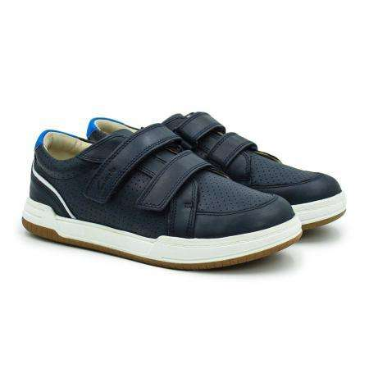 | 26158973 | Fawn Solo K Navy Leather | Shoes | Childrens | 1 | 74.95 € | 74.95 € | 335 | G (W) | 5059304787471 | 6403999190 | Leather | Rubber | Leather | Leather | 25 | Riptape | C B Out-School Shoes | 261589737015 | Fawn Solo K Navy Leather, G; 1+ | India
 |  |  |  |  | 1 | 74.95 € | 74.95 € | 280 |  | 5059304787501 |  |  |  |  |  |  |  |  | 261589737100 | Fawn Solo K Navy Leather, G; 10
 |  |  |  |  | 1 | 74.95 € | 74.95 € | 290 |  | 5059304787525 |  |  |  |  |  |  |  |  | 261589737110 | Fawn Solo K Navy Leather, G; 11
 |  |  |  |  | 1 | 74.95 € | 74.95 € | 295 |  | 5059304787532 |  |  |  |  |  |  |  |  | 261589737115 | Fawn Solo K Navy Leather, G; 11+
 |  |  |  |  | 2 | 74.95 € | 149.90 € | 350 |  | 5059304787495 |  |  |  |  |  |  |  |  | 261589737025 | Fawn Solo K Navy Leather, G; 2+
 |  |  |  |  | 2 | 74.95 € | 149.90 € | 285 |  | 5059304787518 |  |  |  |  |  |  |  |  | 261589737105 | Fawn Solo K Navy Leather, G; 10+
 |  |  |  |  | 2 | 74.95 € | 149.90 € | 300 |  | 5059304787549 |  |  |  |  |  |  |  |  | 261589737120 | Fawn Solo K Navy Leather, G; 12
 | Total 26158973 |  |  |  | 10 | 74.95 € | 749.50 €
 | 26162451 | Fawn Solo T Grey Leather | Shoes | Childrens | 1 | 64.95 € | 64.95 € | 205 | G (W) | 5059680084812 | 6403911190 | Leather | Rubber | Leather | Leather | 20 | Riptape | C B Pre-School Shoes | 261624517045 | Fawn Solo T Grey Leather, G; 4+ | India
 | Total 26162451 |  |  |  | 1 | 64.95 € | 64.95 €
 | 26158988 | Fawn Solo T Navy Leather | Shoes | Childrens | 1 | 64.95 € | 64.95 € | 230 | G (W) | 5059304711261 | 6403999190 | Leather | Rubber | Leather | Leather | 20 | Riptape | C B Pre-School Shoes | 261589887065 | Fawn Solo T Navy Leather, G; 6+ | India
 | 26158988 | Fawn Solo T Navy Leather | Shoes | Childrens | 1 | 64.95 € | 64.95 € | 250 | G (W) | 5059304711285 | 6403999190 | Leather | Rubber | Leather | Leather | 20 | Riptape | C B Pre-School Shoes | 261589887075 | Fawn Solo T Navy Leather, G; 7+ | India
...
CLARKS KIDS
PHOTOS | REF | DESCR | CAT | GENDER | QTY | RETAIL
 | Total 26158988 |  |  |  | 4 | 64.95 €
 | 05979280 | Flash Step T Navy | Shoes | Childrens | 1 | 59.95 €
 | 05979280 | Flash Step T Navy | Shoes | Childrens | 1 | 59.95 €
 | 05979280 | Flash Step T Navy | Shoes | Childrens | 1 | 59.95 €
 | 05979280 | Flash Step T Navy | Shoes | Childrens | 1 | 59.95 €
 | 05979280 | Flash Step T Navy | Shoes | Childrens | 1 | 59.95 €
 | 05979280 | Flash Step T Navy | Shoes | Childrens | 1 | 59.95 €
 | Total 05979280 |  |  |  | 6 | 59.95 €
 | 26172645 | Flash Web T. Denim Blue | Shoes | Childrens | 1 | 59.95 €
 | Total 26172645 |  |  |  | 1 | 59.95 €
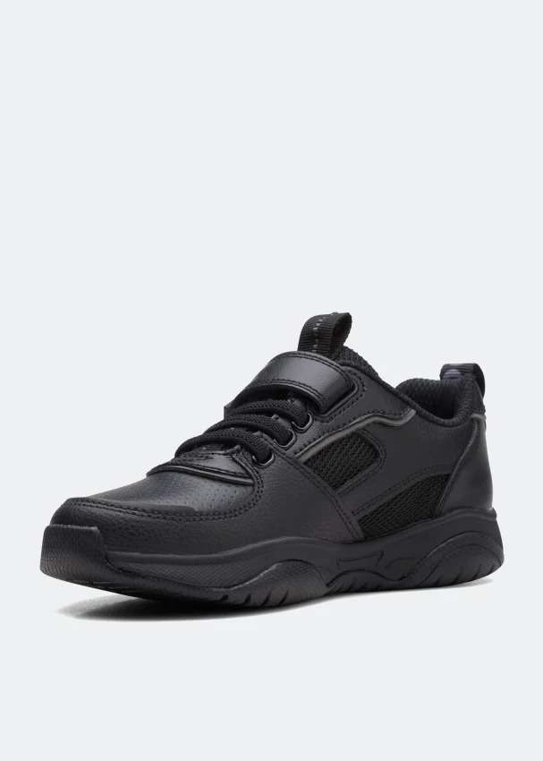 | 26169348 | Grip Trade K Black Leather | Shoes | Childrens | 18 | 69.95 €
 |  |  |  |  | 21 | 69.95 €
 |  |  |  |  | 37 | 69.95 €
 |  |  |  |  | 37 | 69.95 €
 |  |  |  |  | 37 | 69.95 €
 |  |  |  |  | 38 | 69.95 €
 |  |  |  |  | 39 | 69.95 €
 |  |  |  |  | 45 | 69.95 €
 |  |  |  |  | 47 | 69.95 €
 |  |  |  |  | 48 | 69.95 €
 |  |  |  |  | 48 | 69.95 €
 |  |  |  |  | 51 | 69.95 €
 | Total 26169348 |  |  |  | 466 | 69.95 €
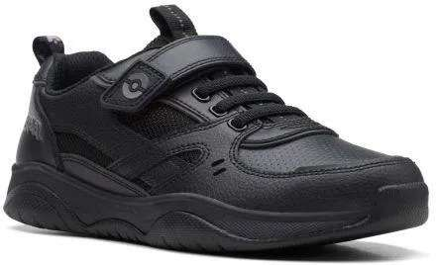 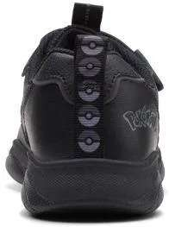 | 26169345 | Grip Trade O Black Leather | Shoes | Childrens | 10 | 74.95 €
 |  |  |  |  | 11 | 74.95 €
 |  |  |  |  | 15 | 74.95 €
 |  |  |  |  | 15 | 74.95 €
 |  |  |  |  | 20 | 74.95 €
 |  |  |  |  | 21 | 74.95 €
 |  |  |  |  | 21 | 74.95 €
 |  |  |  |  | 25 | 74.95 €
 |  |  |  |  | 28 | 74.95 €
 |  |  |  |  | 29 | 74.95 €
 |  |  |  |  | 31 | 74.95 €
...
CLARKS KIDS
PHOTOS | REF | DESCR | CAT | GENDER | QTY | RETAIL
 | Total 26169345 |  |  |  | 498 | 74.95 €
 | 26178303 | Lorcam Edge Y Black Leather | Shoes | Childrens | 1 | 79.95 €
 | Total 26178303 |  |  |  | 1 | 79.95 €
 | 26178301 | Lorcam Loop Y Black Leather | Shoes | Childrens | 1 | 79.95 €
 | 26178301 | Lorcam Loop Y Black Leather | Shoes | Childrens | 1 | 79.95 €
 | 26178301 | Lorcam Loop Y Black Leather | Shoes | Childrens | 1 | 79.95 €
 | Total 26178301 |  |  |  | 3 | 79.95 €
 | 26178324 | LorcamCraft Y Black Leather | Shoes | Childrens | 1 | 79.95 €
 | 26178324 | LorcamCraft Y Black Leather | Shoes | Childrens | 1 | 79.95 €
 | Total 26178324 |  |  |  | 2 | 79.95 €
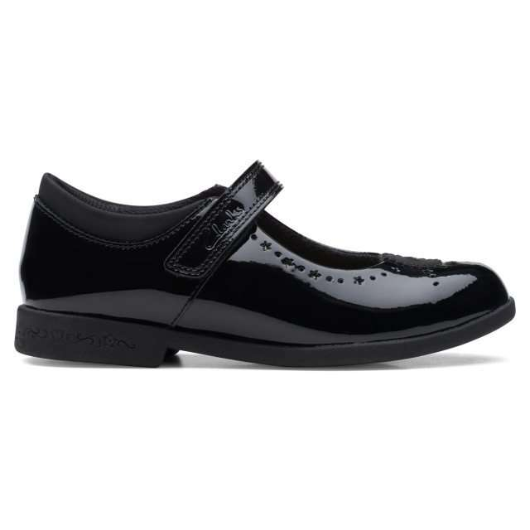 | 26169709 | MagicStepBarK. Black Pat | Shoes | Childrens | 1 | 69.95 €
 |  |  |  |  | 2 | 69.95 €
 |  |  |  |  | 2 | 69.95 €
 |  |  |  |  | 2 | 69.95 €
 |  |  |  |  | 3 | 69.95 €
 |  |  |  |  | 5 | 69.95 €
 |  |  |  |  | 5 | 69.95 €
 | Total 26169709 |  |  |  | 20 | 69.95 €
 | 26169704 | MagicStepBarO. Black Pat | Shoes | Childrens | 3 | 69.95 €
 | 26169704 | MagicStepBarO. Black Pat | Shoes | Childrens | 6 | 69.95 €
 | Total 26169704 |  |  |  | 9 | 69.95 €
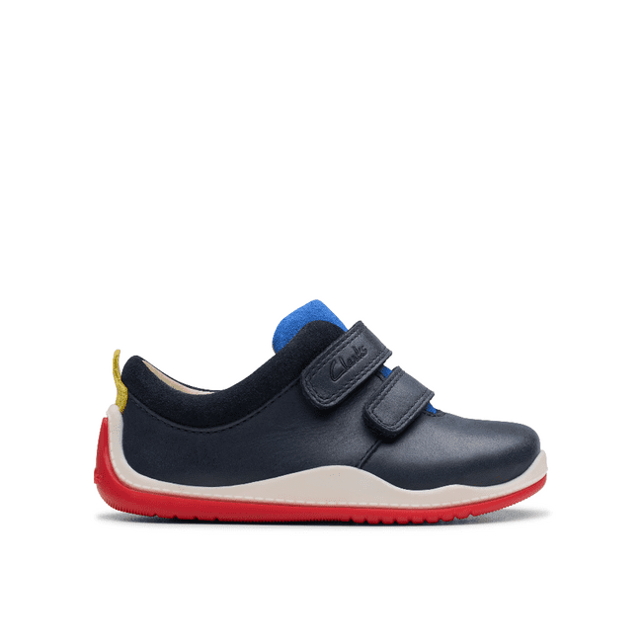 | 26179304 | Noodle Fun T Navy/Red | Shoes | Childrens | 10 | 59.95 €
 |  |  |  |  | 14 | 59.95 €
 |  |  |  |  | 15 | 59.95 €
 |  |  |  |  | 16 | 59.95 €
 |  |  |  |  | 19 | 59.95 €
 |  |  |  |  | 22 | 59.95 €
 |  |  |  |  | 22 | 59.95 €
 |  |  |  |  | 22 | 59.95 €
 | Total 26179304 |  |  |  | 140 | 59.95 €
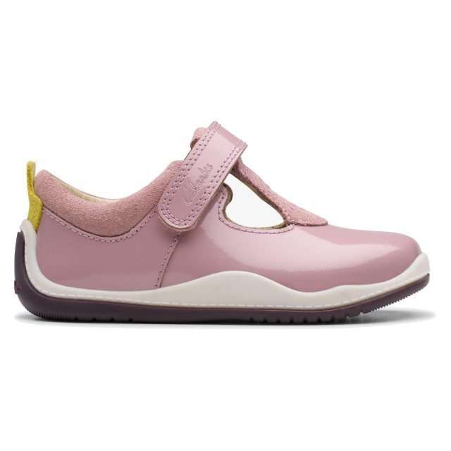 | 26179305 | NoodleBrightT. Dusty Pink Pat | Shoes | Childrens | 15 | 59.95 €
 |  |  |  |  | 15 | 59.95 €
 |  |  |  |  | 17 | 59.95 €
 |  |  |  |  | 19 | 59.95 €
 |  |  |  |  | 22 | 59.95 €
 |  |  |  |  | 22 | 59.95 €
 |  |  |  |  | 23 | 59.95 €
 |  |  |  |  | 28 | 59.95 €
 | Total 26179305 |  |  |  | 161 | 59.95 €
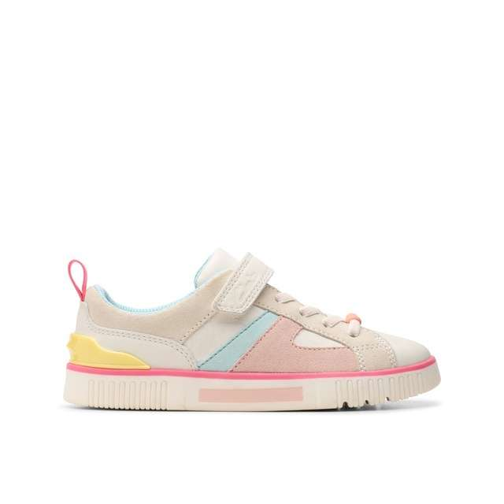 | 26179052 | Oslo Bright K. White Combi | Shoes | Childrens | 2 | 65.95 €
 |  |  |  |  | 5 | 65.95 €
 |  |  |  |  | 6 | 65.95 €
 |  |  |  |  | 6 | 65.95 €
 |  |  |  |  | 10 | 65.95 €
 |  |  |  |  | 11 | 65.95 €
 |  |  |  |  | 11 | 65.95 €
 |  |  |  |  | 13 | 65.95 €
 |  |  |  |  | 24 | 65.95 €
 |  |  |  |  | 25 | 65.95 €
 | 26179052 | Oslo Bright K. White Combi | Shoes | Childrens | 32 | 65.95 €
 | Total 26179052 |  |  |  | 145 | 65.95 €
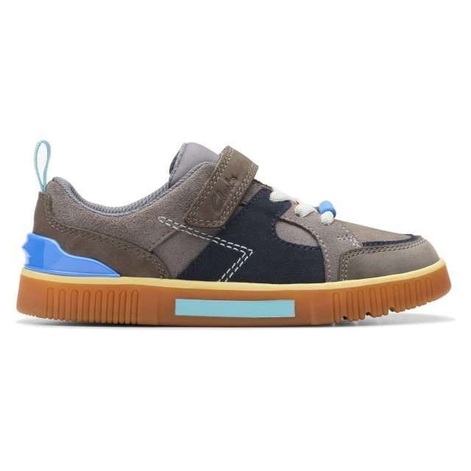 | 26179051 | Oslo Edge K Grey Combi | Shoes | Childrens | 13 | 65.95 €
 |  |  |  |  | 13 | 65.95 €
 |  |  |  |  | 14 | 65.95 €
 |  |  |  |  | 14 | 65.95 €
 |  |  |  |  | 14 | 65.95 €
 |  |  |  |  | 14 | 65.95 €
 |  |  |  |  | 29 | 65.95 €
 |  |  |  |  | 29 | 65.95 €
 |  |  |  |  | 29 | 65.95 €
 |  |  |  |  | 29 | 65.95 €
 |  |  |  |  | 29 | 65.95 €
 |  |  |  |  | 29 | 65.95 €
 | Total 26179051 |  |  |  | 256 | 65.95 €
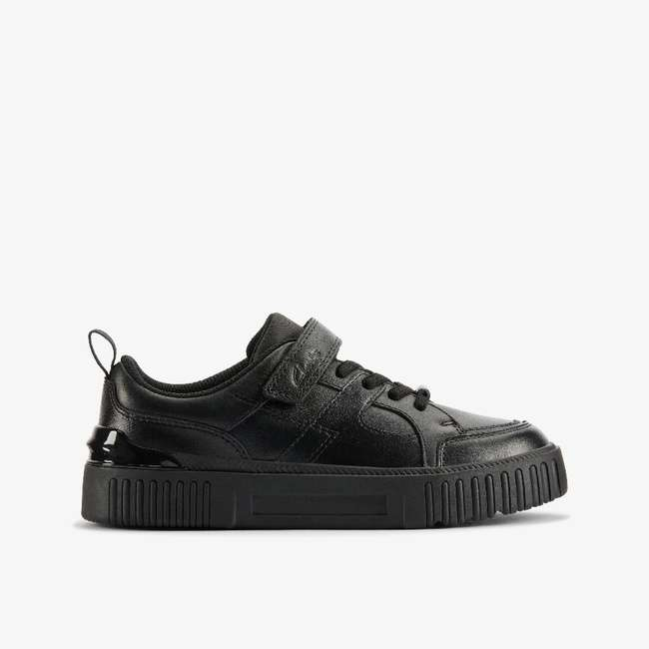 | 26180412 | Oslo Flare O Black Leather | Shoes | Childrens | 2 | 75.95 €
 |  |  |  |  | 7 | 75.95 €
 |  |  |  |  | 10 | 75.95 €
 |  |  |  |  | 12 | 75.95 €
 |  |  |  |  | 12 | 75.95 €
 |  |  |  |  | 19 | 75.95 €
 |  |  |  |  | 19 | 75.95 €
 |  |  |  |  | 20 | 75.95 €
 | Total 26180412 |  |  |  | 101 | 75.95 €
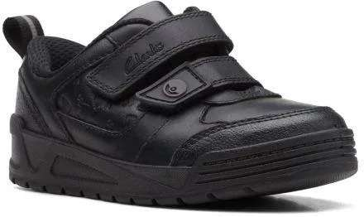 | 26169529 | Palmer Mist K Black Leather | Shoes | Childrens | 7 | 64.95 €
 |  |  |  |  | 10 | 64.95 €
 |  |  |  |  | 11 | 64.95 €
 |  |  |  |  | 11 | 64.95 €
 |  |  |  |  | 12 | 64.95 €
 |  |  |  |  | 12 | 64.95 €
 |  |  |  |  | 12 | 64.95 €
 |  |  |  |  | 13 | 64.95 €
 |  |  |  |  | 13 | 64.95 €
 |  |  |  |  | 13 | 64.95 €
 |  |  |  |  | 14 | 64.95 €
 |  |  |  |  | 14 | 64.95 €
 |  |  |  |  | 14 | 64.95 €
 |  |  |  |  | 14 | 64.95 €
 |  |  |  |  | 15 | 64.95 €
 |  |  |  |  | 15 | 64.95 €
 |  |  |  |  | 16 | 64.95 €
 |  |  |  |  | 16 | 64.95 €
 |  |  |  |  | 16 | 64.95 €
 |  |  |  |  | 16 | 64.95 €
 | Total 26169529 |  |  |  | 264 | 64.95 €
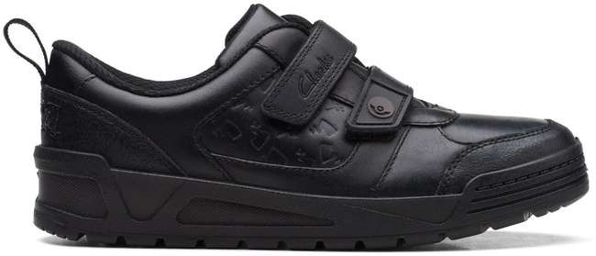 | 26169527 | Palmer Mist O Black Leather | Shoes | Childrens | 2 | 64.95 €
 |  |  |  |  | 3 | 64.95 €
 |  |  |  |  | 5 | 64.95 €
 |  |  |  |  | 6 | 64.95 €
 |  |  |  |  | 8 | 64.95 €
 |  |  |  |  | 8 | 64.95 €
 |  |  |  |  | 9 | 64.95 €
 |  |  |  |  | 35 | 64.95 €
 |  |  |  |  | 40 | 64.95 €
 |  |  |  |  | 40 | 64.95 €
 |  |  |  |  | 42 | 64.95 €
 |  |  |  |  | 42 | 64.95 €
 |  |  |  |  | 45 | 64.95 €
 |  |  |  |  | 45 | 64.95 €
 |  |  |  |  | 52 | 64.95 €
 |  |  |  |  | 63 | 64.95 €
 | Total 26169527 |  |  |  | 445 | 64.95 €
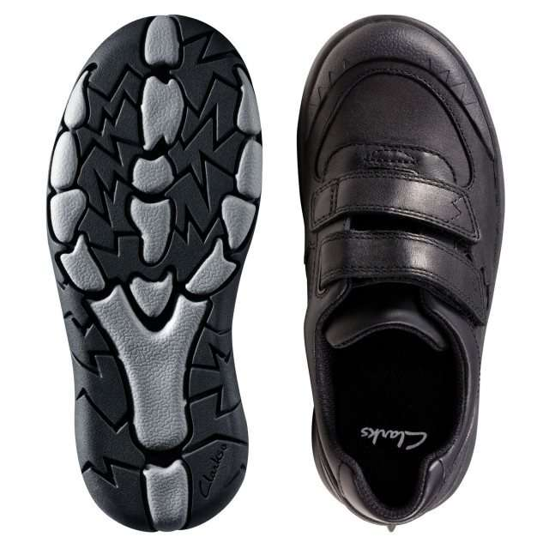 | 26147044 | Rex Pace K Black Leather | Shoes | Childrens | 1 | 69.95 €
 |  |  |  |  | 2 | 69.95 €
 |  |  |  |  | 6 | 69.95 €
 |  |  |  |  | 9 | 69.95 €
 |  |  |  |  | 9 | 69.95 €
 |  |  |  |  | 12 | 69.95 €
 |  |  |  |  | 13 | 69.95 €
 |  |  |  |  | 13 | 69.95 €
 |  |  |  |  | 13 | 69.95 €
 |  |  |  |  | 15 | 69.95 €
 |  |  |  |  | 26 | 69.95 €
...
CLARKS KIDS
PHOTOS | REF | DESCR | CAT | GENDER | QTY | RETAIL
 |  |  |  |  | 45 | 69.95 €
 |  |  |  |  | 52 | 69.95 €
 | Total 26147044 |  |  |  | 252 | 69.95 €
 | 05970680 | Rex Quest K Navy | Shoes | Childrens | 1 | 59.95 €
 | 05970680 | Rex Quest K Navy | Shoes | Childrens | 1 | 59.95 €
 | 05970680 | Rex Quest K Navy | Shoes | Childrens | 1 | 59.95 €
 | Total 05970680 |  |  |  | 3 | 59.95 €
 | 05979380 | Rex Quest T Grey | Shoes | Childrens | 1 | 59.95 €
 | 05979380 | Rex Quest T Grey | Shoes | Childrens | 1 | 59.95 €
 | Total 05979380 |  |  |  | 2 | 59.95 €
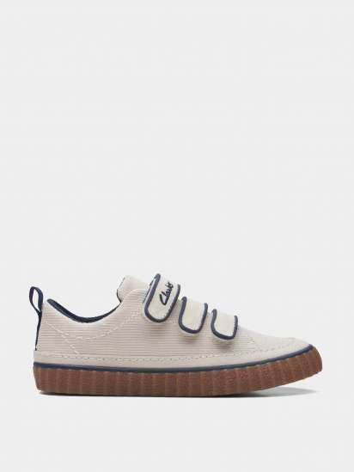 | 26170915 | River Tor K. Off White Suede | Shoes | Childrens | 3 | 54.95 €
 |  |  |  |  | 3 | 54.95 €
 |  |  |  |  | 3 | 54.95 €
 |  |  |  |  | 3 | 54.95 €
 |  |  |  |  | 3 | 54.95 €
 |  |  |  |  | 4 | 54.95 €
 |  |  |  |  | 4 | 54.95 €
 |  |  |  |  | 4 | 54.95 €
 |  |  |  |  | 4 | 54.95 €
 |  |  |  |  | 4 | 54.95 €
 |  |  |  |  | 5 | 54.95 €
...
CLARKS KIDS
PHOTOS | REF | DESCR | CAT | GENDER | QTY | RETAIL
 |  |  |  |  | 5 | 54.95 €
 |  |  |  |  | 6 | 54.95 €
 |  |  |  |  | 6 | 54.95 €
 |  |  |  |  | 6 | 54.95 €
 |  |  |  |  | 7 | 54.95 €
 |  |  |  |  | 7 | 54.95 €
 | Total 26170915 |  |  |  | 82 | 54.95 €
 | 26175963 | Roamer Tri T Sage | Shoes | Childrens | 1 | 45.95 €
 | 26175963 | Roamer Tri T Sage | Shoes | Childrens | 1 | 45.95 €
 | Total 26175963 |  |  |  | 2 | 45.95 €
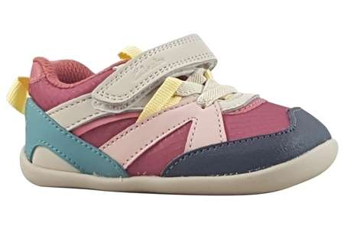 | 26178959 | RoamerSport T. Pink Combi | Shoes | Childrens | 17 | 45.95 €
 |  |  |  |  | 18 | 45.95 €
 |  |  |  |  | 19 | 45.95 €
 |  |  |  |  | 19 | 45.95 €
 |  |  |  |  | 19 | 45.95 €
 |  |  |  |  | 19 | 45.95 €
 |  |  |  |  | 21 | 45.95 €
 |  |  |  |  | 22 | 45.95 €
 | Total 26178959 |  |  |  | 154 | 45.95 €
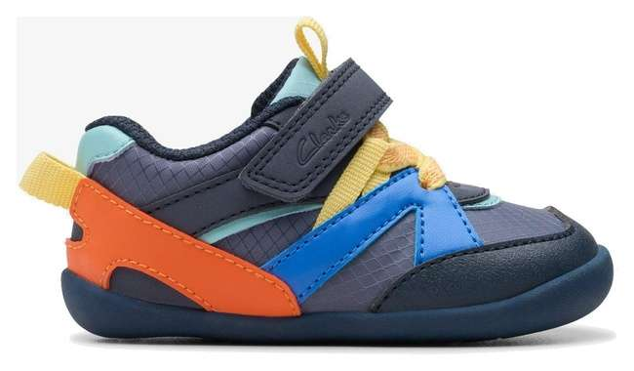 | 26178960 | RoamerSportT Grey Combi | Shoes | Childrens | 17 | 45.95 €
 |  |  |  |  | 17 | 45.95 €
 |  |  |  |  | 19 | 45.95 €
 |  |  |  |  | 19 | 45.95 €
 |  |  |  |  | 19 | 45.95 €
 |  |  |  |  | 19 | 45.95 €
 |  |  |  |  | 21 | 45.95 €
 |  |  |  |  | 21 | 45.95 €
 | Total 26178960 |  |  |  | 152 | 45.95 €
 | 05978480 | Rock Trek K Grey | Shoes | Childrens | 1 | 45.95 €
 | Total 05978480 |  |  |  | 1 | 45.95 €
 | 05978080 | Rock Trek K Navy | Shoes | Childrens | 1 | 45.95 €
 | Total 05978080 |  |  |  | 1 | 45.95 €
 | 26126836 | Rufus Edge BL Black Leather | Shoes | Childrens | 2 | 74.95 €
 | Total 26126836 |  |  |  | 2 | 74.95 €
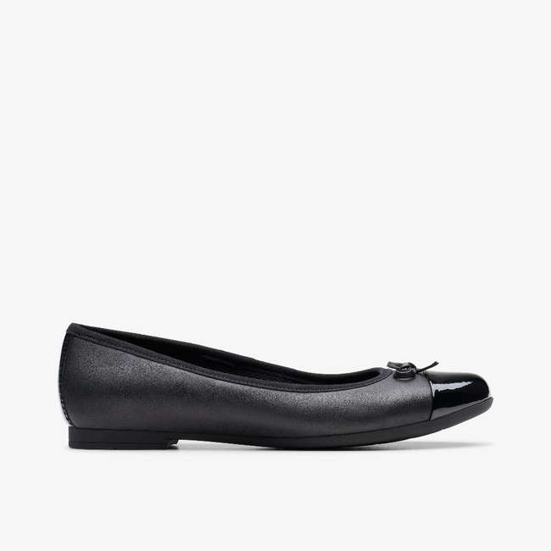 | 26149556 | Scala Bloom Y Black Leather | Shoes | Childrens | 7 | 65.95 €
 |  |  |  |  | 8 | 65.95 €
 |  |  |  |  | 9 | 65.95 €
 |  |  |  |  | 15 | 65.95 €
 |  |  |  |  | 17 | 65.95 €
 | Total 26149556 |  |  |  | 56 | 65.95 €
 | 26142822 | Scala Lace K Black Leather | Shoes | Childrens | 2 | 69.95 €
 | Total 26142822 |  |  |  | 2 | 69.95 €
 | 26142831 | Scala Loop Y Black Leather | Shoes | Childrens | 1 | 75.95 €
 | 26142831 | Scala Loop Y Black Leather | Shoes | Childrens | 1 | 75.95 €
 | Total 26142831 |  |  |  | 2 | 75.95 €
 | 05900980 | Scala Skye K Black | Shoes | Childrens | 1 | 59.95 €
 | Total 05900980 |  |  |  | 1 | 59.95 €
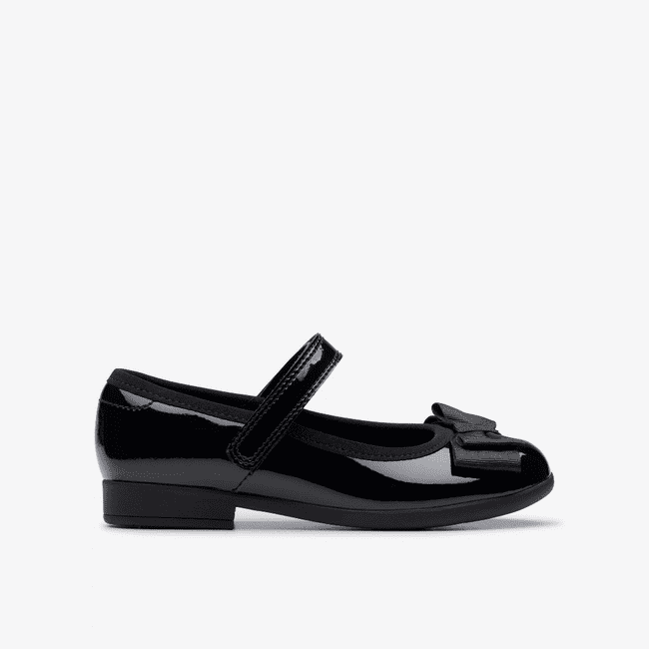 | 26142852 | Scala Tap T Black Pat | Shoes | Childrens | 2 | 59.95 €
 |  |  |  |  | 4 | 59.95 €
 |  |  |  |  | 4 | 59.95 €
 |  |  |  |  | 5 | 59.95 €
 |  |  |  |  | 7 | 59.95 €
 |  |  |  |  | 11 | 59.95 €
 | Total 26142852 |  |  |  | 33 | 59.95 €
 | 26151047 | Scape Flare T Black Leather | Shoes | Childrens | 1 | 64.95 €
 | Total 26151047 |  |  |  | 1 | 64.95 €
 | 26151039 | Scape Track K Black Leather | Shoes | Childrens | 1 | 69.95 €
 | Total 26151039 |  |  |  | 1 | 69.95 €
 | 26176704 | SomersetTor K. Dusty Pink | Shoes | Childrens | 2 | 65.95 €
 | Total 26176704 |  |  |  | 2 | 65.95 €
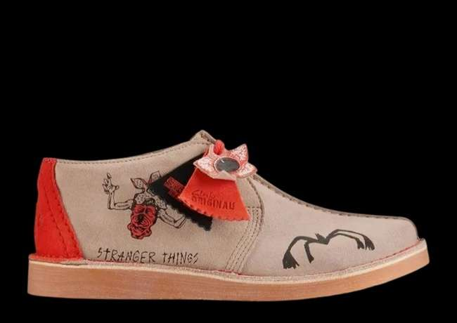 | 26180316 | ST DesertTrekY Sand Interest | Shoes | Childrens | 11 | 85.95 €
 |  |  |  |  | 12 | 85.95 €
 |  |  |  |  | 14 | 85.95 €
 |  |  |  |  | 19 | 85.95 €
 |  |  |  |  | 19 | 85.95 €
 |  |  |  |  | 19 | 85.95 €
 |  |  |  |  | 20 | 85.95 €
 |  |  |  |  | 22 | 85.95 €
 | Total 26180316 |  |  |  | 136 | 85.95 €
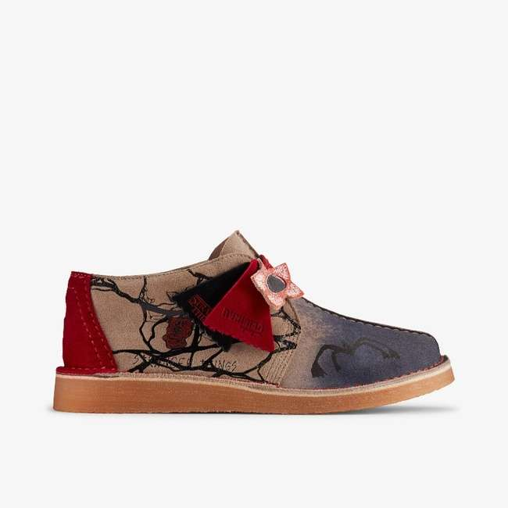 | 26180318 | ST DesertTrekY Sand/Dark Int | Shoes | Childrens | 11 | 85.95 €
 |  |  |  |  | 13 | 85.95 €
 |  |  |  |  | 16 | 85.95 €
 |  |  |  |  | 19 | 85.95 €
 |  |  |  |  | 19 | 85.95 €
 |  |  |  |  | 20 | 85.95 €
 |  |  |  |  | 21 | 85.95 €
 |  |  |  |  | 23 | 85.95 €
 | Total 26180318 |  |  |  | 142 | 85.95 €
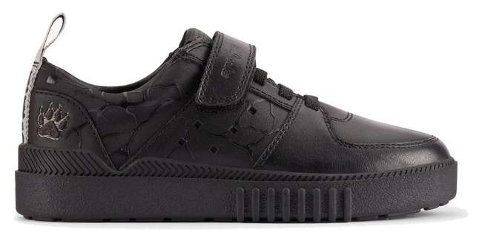 | 26180320 | ST SomersetLoK Black | Shoes | Childrens | 16 | 85.95 €
 |  |  |  |  | 16 | 85.95 €
 |  |  |  |  | 25 | 85.95 €
 |  |  |  |  | 25 | 85.95 €
 |  |  |  |  | 25 | 85.95 €
 |  |  |  |  | 25 | 85.95 €
 | Total 26180320 |  |  |  | 132 | 85.95 €
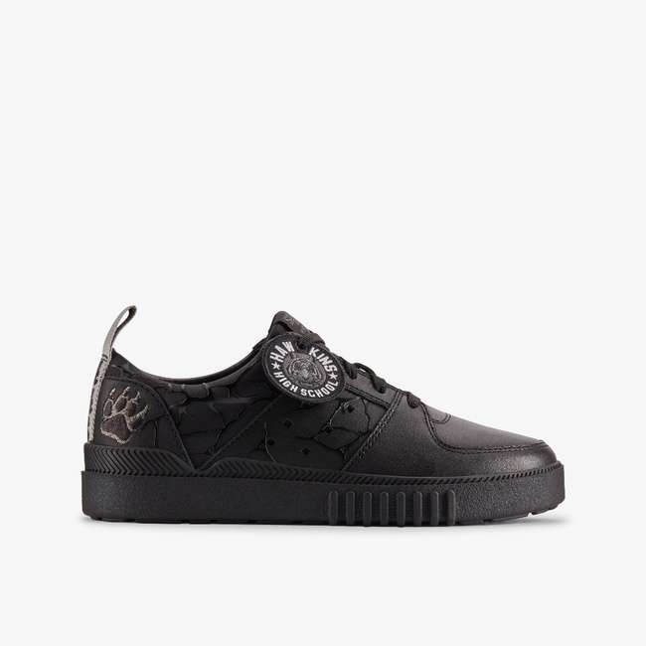 | 26180321 | ST SomersetShO Black | Shoes | Childrens | 16 | 85.95 €
 |  |  |  |  | 16 | 85.95 €
 |  |  |  |  | 19 | 85.95 €
 |  |  |  |  | 24 | 85.95 €
 |  |  |  |  | 24 | 85.95 €
 |  |  |  |  | 24 | 85.95 €
 |  |  |  |  | 31 | 85.95 €
 |  |  |  |  | 38 | 85.95 €
 |  |  |  |  | 41 | 85.95 €
 |  |  |  |  | 41 | 85.95 €
 |  |  |  |  | 41 | 85.95 €
...

